STOCKS
 |  |  |  |  |  |  |  |  |  |  |  |  |  |  |  |  | 5930 |  | €140,174.30 |  | €280,527.09 | 0
Photo | Brand | Gender | Macrocategory | Subcategory | Loc | Season | EAN | Product Code | SKU | Article name | Colour | Made In | Material Composition | SIZE | Size Country | Size EU | Qty | Whs | Tot WHS | RRP | Tot RRP | Order
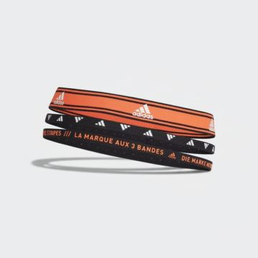 | Adidas | Women | Accessories | Hair accessories | 160.00 | SS | 04064057833970 | GS2120 | GS2120-OSFM | 3PP HEADBAN NEW |  | CN | 100% Cotton | OSFM |  |  | 1 | €7.50 | €7.50 | €14.99 | €14.99
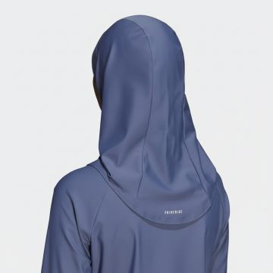 | Adidas | Women | Accessories | Hair accessories | 160.00 | FW | 04064057834946 | GT5057-ORANGE | GT5057-ORANGE-M | Adidas Performance Sports Hijab Blue | BLACK | Indonesia | SYNTHETICS,TEXTILE TEXTILE TEXTILE SYNTHETICS | M |  |  | 15 | €22.50 | €337.50 | €45.00 | €675.00
 | Adidas | Women | Accessories | Hair accessories | 160.00 | FW | 04064057834953 | GT5057-ORANGE | GT5057-ORANGE-S | Adidas Performance Sports Hijab Blue | BLACK | Indonesia | SYNTHETICS,TEXTILE TEXTILE TEXTILE SYNTHETICS | S |  |  | 18 | €22.50 | €405.00 | €45.00 | €810.00
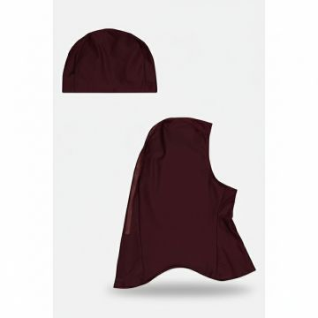 | Adidas | Women | Accessories | Hair accessories | 160.00 | FW | 04064057834960 | GV3347-MULTICOLOUR | GV3347-MULTICOLOUR-L | Adidas 3S Swim Hijab Burgundy |  | China | 78% REC.PA/22% EL | L |  |  | 5 | €22.50 | €112.50 | €45.00 | €225.00
 | Adidas | Women | Accessories | Hair accessories | 160.00 | FW | 04064057834977 | GV3347-MULTICOLOUR | GV3347-MULTICOLOUR-M | Adidas 3S Swim Hijab Burgundy |  | China | 78% REC.PA/22% EL | M |  |  | 11 | €22.50 | €247.50 | €45.00 | €495.00
 | Adidas | Women | Accessories | Hair accessories | 160.00 | FW | 04064057834984 | GV3347-MULTICOLOUR | GV3347-MULTICOLOUR-S | Adidas 3S Swim Hijab Burgundy |  | China | 78% REC.PA/22% EL | S |  |  | 10 | €22.50 | €225.00 | €45.00 | €450.00
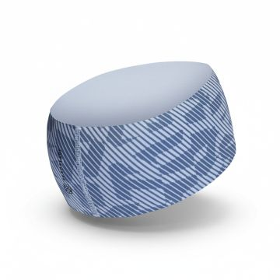 | Adidas | Women | Accessories | Hair accessories | 160.00 | SS | 04066746666593 | IB2386 | IB2386-OSFL | TRX AR GR HB |  | VN | 100% SPANDEX | OSFL |  |  | 1 | €10.00 | €10.00 | €20.00 | €20.00
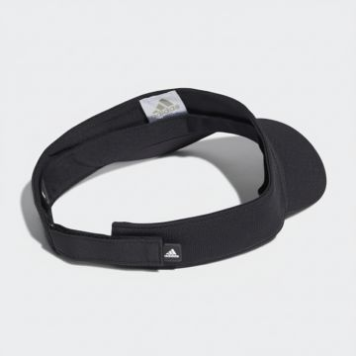 | Adidas | Women | Accessories | Hats | 160.00 | FW | 04065424608108 | HD7304-BLACK_WHITE | HD7304-BLACK_WHITE-OSFW | Adidas A.RDY Performance Visor Black White | BLACK_WHITE | China | 100% REC.PES | OSFW |  |  | 1 | €10.00 | €10.00 | €20.00 | €20.00
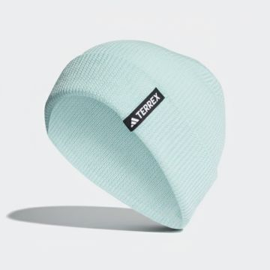 | Adidas | Men | Accessories | Hats | 160.00 | FW | 04066762001699 | HZ0083 | HZ0083-OSFM | TRX MERI BEANIE |  | VN | 100% Wool | OSFM |  |  | 1 | €22.50 | €22.50 | €45.00 | €45.00
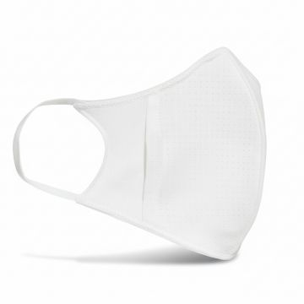 | Adidas | Women | Accessories | Masks | 160.00 | SS | 04062064832993 | H34578-WHITE | H34578-WHITE-OS | Adidas Face Protection Mask White |  | China | 93% REC.PES/7% EL | OS |  |  | 16 | €10.00 | €160.00 | €20.00 | €319.98
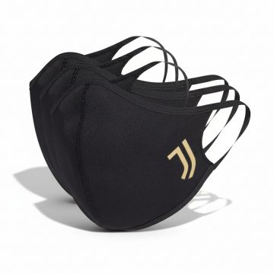 | Adidas | Women | Accessories | Masks | 160.00 | FW | 04062064345097 | HB5044-BLACK_GOLD | HB5044-BLACK_GOLD-OS | Adidas Face Cover Mask Black Gold | Black_Gold | CN | 93% REC.PES/7% EL | OS |  |  | 75 | €10.00 | €750.00 | €20.00 | €1,499.92
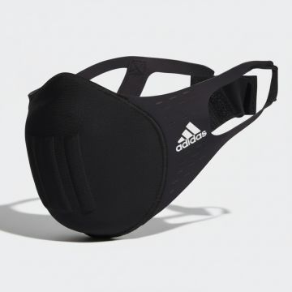 | Adidas | Women | Accessories | Masks | 160.00 | FW | 04065419543841 | HF7048-BLACK_WHITE | HF7048-BLACK_WHITE-L | Adidas Molded Face Mask Black | BLACK_WHITE | VN | EL/PA/PES | L |  |  | 1 | €12.50 | €12.50 | €25.00 | €25.00
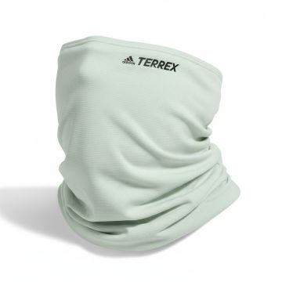 | Adidas | Men | Accessories | Scarves | 160.00 | SS | 04065431006850 | HU1257 | HU1257-OSFM | TRX MERI NECKGA | Beige | VN | 100% CALF LEATHER | OSFM |  |  | 1 | €15.00 | €15.00 | €30.00 | €30.00
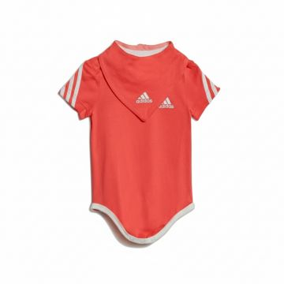 | Adidas | Kids | Baby girl clothing | Tops | 160.00 | FW | 04065423000507 | HF1975-WHITE | HF1975-WHITE-80 | Adidas Baby Coral Bodysuit Gift Set |  | KH | 100% ORGANIC CO | 80 |  |  | 2 | €17.50 | €35.00 | €35.00 | €70.00
 | Adidas | Kids | Baby girl clothing | Tops | 160.00 | FW | 04065423003997 | HF1975-WHITE | HF1975-WHITE-86 | Adidas Baby Coral Bodysuit Gift Set |  | KH | 100% ORGANIC CO | 86 |  |  | 2 | €17.50 | €35.00 | €35.00 | €70.00
 | Adidas | Kids | Baby girl clothing | Tops | 160.00 | FW | 04065423000460 | HF1975-WHITE | HF1975-WHITE-92 | Adidas Baby Coral Bodysuit Gift Set |  | KH | 100% ORGANIC CO | 92 |  |  | 2 | €17.50 | €35.00 | €35.00 | €70.00
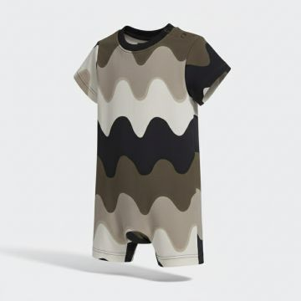 | Adidas | Kids | Baby girl clothing | Tracksuits | 160.00 | SS | 04066752395937 | IC3664-WHITE_BROWN | IC3664-WHITE_BROWN-68 | Adidas Camo Wave Print Baby Onesie |  | Cambodia | 93% CO/7% EL | 68 |  |  | 2 | €20.00 | €40.00 | €40.00 | €80.00
 | Adidas | Kids | Baby girl clothing | Tracksuits | 160.00 | SS | 04066752399218 | IC3664-WHITE_BROWN | IC3664-WHITE_BROWN-74 | Adidas Camo Wave Print Baby Onesie |  | Cambodia | 93% CO/7% EL | 74 |  |  | 1 | €20.00 | €20.00 | €40.00 | €40.00
 | Adidas | Kids | Baby girl clothing | Tracksuits | 160.00 | SS | 04066752399171 | IC3664-WHITE_BROWN | IC3664-WHITE_BROWN-80 | Adidas Camo Wave Print Baby Onesie |  | Cambodia | 93% CO/7% EL | 80 |  |  | 2 | €20.00 | €40.00 | €40.00 | €80.00
 | Adidas | Kids | Baby girl clothing | Tracksuits | 160.00 | SS | 04066752395975 | IC3664-WHITE_BROWN | IC3664-WHITE_BROWN-86 | Adidas Camo Wave Print Baby Onesie |  | Cambodia | 93% CO/7% EL | 86 |  |  | 3 | €20.00 | €60.00 | €40.00 | €120.00
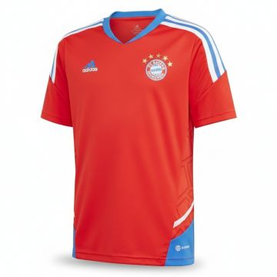 | Adidas | Kids | Boy clothing | Football T-Shirt | 160.00 | SS | 04066752819198 | HU1275-RED_BLUE | HU1275-RED_BLUE-164 | Adidas FCB Bayern Munich Training Jersey Red |  | Cambodia | 100% REC.PES | 164 |  |  | 1 | €22.50 | €22.50 | €45.00 | €45.00
 | Adidas | Kids | Boy clothing | Football T-Shirt | 160.00 | SS | 04066752819211 | HU1275-RED_BLUE | HU1275-RED_BLUE-176 | Adidas FCB Bayern Munich Training Jersey Red |  | Cambodia | 100% REC.PES | 176 |  |  | 2 | €22.50 | €45.00 | €45.00 | €90.00
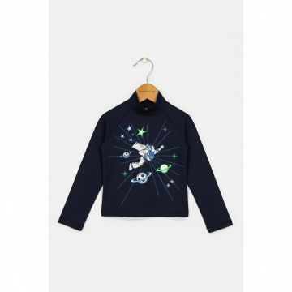 | Adidas | Kids | Boy clothing | Long Sleeve T-shirts | 160.00 | FW | 04065423869197 | HF5405-BLUE | HF5405-BLUE-140 | Adidas Disney Buzz Lightyear Navy Turtleneck | Blue | China | 80% REC.PA/20% EL | 140 |  |  | 8 | €27.50 | €220.00 | €55.00 | €440.00
 | Adidas | Kids | Boy clothing | Long Sleeve T-shirts | 160.00 | FW | 04065423869265 | HF5405-BLUE | HF5405-BLUE-152 | Adidas Disney Buzz Lightyear Navy Turtleneck | Blue | China | 80% REC.PA/20% EL | 152 |  |  | 4 | €27.50 | €110.00 | €55.00 | €220.00
 | Adidas | Kids | Boy clothing | Long Sleeve T-shirts | 160.00 | FW | 04065423869210 | HF5405-BLUE | HF5405-BLUE-98 | Adidas Disney Buzz Lightyear Navy Turtleneck | Blue | China | 80% REC.PA/20% EL | 98 |  |  | 1 | €27.50 | €27.50 | €55.00 | €55.00
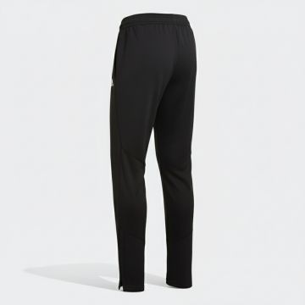 | Adidas | Kids | Boy clothing | Pants | 160.00 | FW | 04065429383505 | HF3992-BLACK | HF3992-BLACK-164 | Adidas DFB Training Track Pants Black | BLACK | KH | 100% REC.PES | 164 |  |  | 3 | €22.50 | €67.50 | €45.00 | €135.00
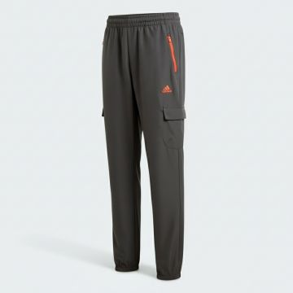 | Adidas | Kids | Boy clothing | Pants | 160.00 | FW | 04066745006536 | HR6274-GREY | HR6274-GREY-128 | Adidas Grey Cargo Jogger Pants |  | Vietnam | 100% REC.PES | 128 |  |  | 1 | €30.00 | €30.00 | €60.00 | €60.00
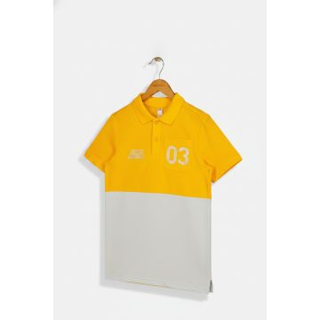 | Adidas | Kids | Boy clothing | Short Sleeve Polo Shirts | 160.00 | SS | 04062057310965 | GC9763-GOLD | GC9763-GOLD-116 | Short Sleeve Polo Shirts JB 03 GR POLO | GOLD | India | 92% COTTON 6% ELASTOMULTIESTER 2% ELASTANE | 116 |  |  | 4 | €22.50 | €90.00 | €45.00 | €180.00
 | Adidas | Kids | Boy clothing | Short Sleeve Polo Shirts | 160.00 | SS | 04062057314864 | GC9763-GOLD | GC9763-GOLD-128 | Short Sleeve Polo Shirts JB 03 GR POLO | GOLD | India | 92% COTTON 6% ELASTOMULTIESTER 2% ELASTANE | 128 |  |  | 10 | €22.50 | €225.00 | €45.00 | €450.00
 | Adidas | Kids | Boy clothing | Short Sleeve Polo Shirts | 160.00 | SS | 04062057318480 | GC9763-GOLD | GC9763-GOLD-140 | Short Sleeve Polo Shirts JB 03 GR POLO | GOLD | India | 92% COTTON 6% ELASTOMULTIESTER 2% ELASTANE | 140 |  |  | 24 | €22.50 | €540.00 | €45.00 | €1,080.00
 | Adidas | Kids | Boy clothing | Short Sleeve Polo Shirts | 160.00 | SS | 04062057314772 | GC9763-GOLD | GC9763-GOLD-152 | Short Sleeve Polo Shirts JB 03 GR POLO | GOLD | India | 92% COTTON 6% ELASTOMULTIESTER 2% ELASTANE | 152 |  |  | 31 | €22.50 | €697.50 | €45.00 | €1,395.00
 | Adidas | Kids | Boy clothing | Short Sleeve Polo Shirts | 160.00 | SS | 04062057314802 | GC9763-GOLD | GC9763-GOLD-164 | Short Sleeve Polo Shirts JB 03 GR POLO | GOLD | India | 92% COTTON 6% ELASTOMULTIESTER 2% ELASTANE | 164 |  |  | 16 | €22.50 | €360.00 | €45.00 | €720.00
 | Adidas | Kids | Boy clothing | Short Sleeve Polo Shirts | 160.00 | SS | 04062057310804 | GC9763-GOLD | GC9763-GOLD-170 | Short Sleeve Polo Shirts JB 03 GR POLO | GOLD | India | 92% COTTON 6% ELASTOMULTIESTER 2% ELASTANE | 170 |  |  | 4 | €22.50 | €90.00 | €45.00 | €180.00
 | Adidas | Kids | Boy clothing | Short Sleeve Polo Shirts | 160.00 | SS | 04062057310866 | GC9763-GOLD | GC9763-GOLD-176 | Short Sleeve Polo Shirts JB 03 GR POLO | GOLD | India | 92% COTTON 6% ELASTOMULTIESTER 2% ELASTANE | 176 |  |  | 5 | €22.50 | €112.50 | €45.00 | €225.00
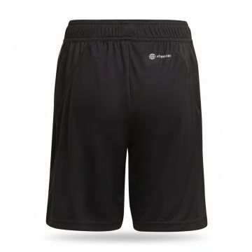 | Adidas | Kids | Boy clothing | Shorts | 160.00 | FW | 04065429410294 | HF3998-BLACK | HF3998-BLACK-116 | Adidas DFB Training Shorts Black | BLACK | KH | 100% REC.PES | 116 |  |  | 1 | €22.50 | €22.50 | €45.00 | €45.00
 | Adidas | Kids | Boy clothing | Shorts | 160.00 | FW | 04065429410256 | HF3998-BLACK | HF3998-BLACK-128 | Adidas DFB Training Shorts Black | BLACK | KH | 100% REC.PES | 128 |  |  | 1 | €22.50 | €22.50 | €45.00 | €45.00
 | Adidas | Kids | Boy clothing | Shorts | 160.00 | FW | 04065429410287 | HF3998-BLACK | HF3998-BLACK-140 | Adidas DFB Training Shorts Black | BLACK | KH | 100% REC.PES | 140 |  |  | 1 | €22.50 | €22.50 | €45.00 | €45.00
 | Adidas | Kids | Boy clothing | Shorts | 160.00 | FW | 04065429410300 | HF3998-BLACK | HF3998-BLACK-152 | Adidas DFB Training Shorts Black | BLACK | KH | 100% REC.PES | 152 |  |  | 3 | €22.50 | €67.50 | €45.00 | €135.00
 | Adidas | Kids | Boy clothing | Shorts | 160.00 | FW | 04065429410270 | HF3998-BLACK | HF3998-BLACK-176 | Adidas DFB Training Shorts Black | BLACK | KH | 100% REC.PES | 176 |  |  | 2 | €22.50 | €45.00 | €45.00 | €90.00
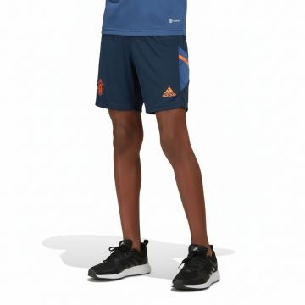 | Adidas | Kids | Boy clothing | Shorts | 160.00 | SS | 04065423877031 | HH9319-NAVY | HH9319-NAVY-128 | Adidas Manchester United Training Shorts Navy |  | KH | 100% REC.PES | 128 |  |  | 1 | €22.50 | €22.50 | €45.00 | €45.00
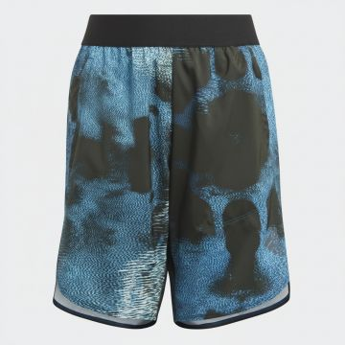 | Adidas | Kids | Boy clothing | Shorts | 160.00 | FW | 04065429243977 | HM4755-WHITE | HM4755-WHITE-152 | Adidas Boys Printed Athletic Shorts Blue Black | Blue_Black | PH | 100% PES | 152 |  |  | 2 | €14.85 | €29.70 | €29.70 | €59.40
 | Adidas | Kids | Boy clothing | Shorts | 160.00 | FW | 04065429243939 | HM4755-WHITE | HM4755-WHITE-176 | Adidas Boys Printed Athletic Shorts Blue Black | Blue_Black | PH | 100% PES | 176 |  |  | 2 | €14.85 | €29.70 | €29.70 | €59.40
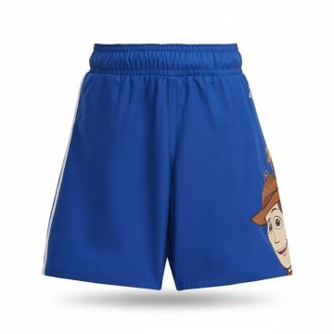 | Adidas | Kids | Boy clothing | Shorts | 160.00 | SS | 04066749139858 | IB0677-BLUE | IB0677-BLUE-110 | Adidas Toy Story Blue Boys Shorts | Blue | Philippines | 100% REC.PES | 110 |  |  | 8 | €22.50 | €180.00 | €45.00 | €360.00
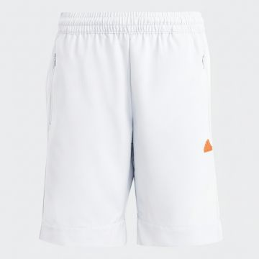 | Adidas | Kids | Boy clothing | Shorts | 160.00 | SS | 04066745111032 | IC3328-BLUE | IC3328-BLUE-128 | Adidas CE Performance Shorts White | Blue | Indonesia | 100% REC.PES | 128 |  |  | 3 | €25.00 | €75.00 | €50.00 | €150.00
 | Adidas | Kids | Boy clothing | Shorts | 160.00 | SS | 04066745111056 | IC3328-BLUE | IC3328-BLUE-140 | Adidas CE Performance Shorts White | Blue | Indonesia | 100% REC.PES | 140 |  |  | 1 | €25.00 | €25.00 | €50.00 | €50.00
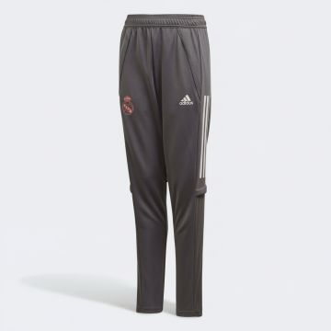 | Adidas | Kids | Boy clothing | Sweatpants | 160.00 | FW | 04061612943105 | FQ7879-GREY | FQ7879-GREY-128 | Adidas Real Madrid Training Pants Grey |  | Vietnam |  | 128 |  |  | 5 | €27.50 | €137.50 | €55.00 | €275.00
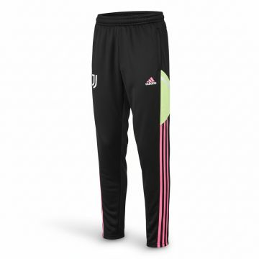 | Adidas | Kids | Boy clothing | Sweatpants | 160.00 | FW | 04066745570068 | HS7568-BLACK | HS7568-BLACK-152 | Adidas Juventus Training Sweatpants Black | BLACK | Cambodia | 100% rec polyester | 152 |  |  | 2 | €27.50 | €55.00 | €55.00 | €110.00
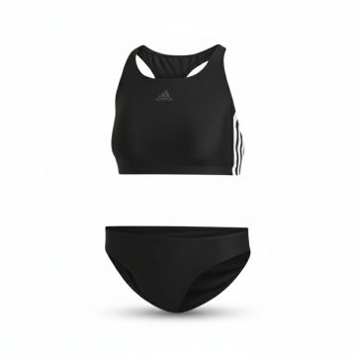 | Adidas | Women | Clothing | Bikini Tops | 160.00 | FW | 04060515169179 | DQ3315-BLACK | DQ3315-BLACK-32 | Adidas Three Stripes Racerback Bikini Black | BLACK | Tunisia | 78% REC.PA/22% EL | 32 |  |  | 9 | €22.50 | €202.50 | €45.00 | €405.00
 | Adidas | Women | Clothing | Bikini Tops | 160.00 | FW | 04060515169124 | DQ3315-BLACK | DQ3315-BLACK-34 | Adidas Three Stripes Racerback Bikini Black | BLACK | Tunisia | 78% REC.PA/22% EL | 34 |  |  | 42 | €22.50 | €945.00 | €45.00 | €1,890.00
 | Adidas | Women | Clothing | Bikini Tops | 160.00 | FW | 04060515169131 | DQ3315-BLACK | DQ3315-BLACK-36 | Adidas Three Stripes Racerback Bikini Black | BLACK | Tunisia | 78% REC.PA/22% EL | 36 |  |  | 13 | €22.50 | €292.50 | €45.00 | €585.00
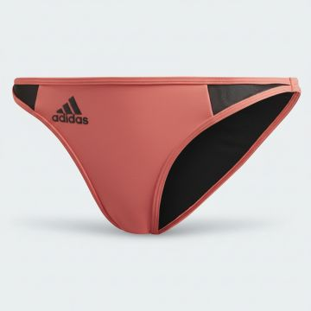 | Adidas | Women | Clothing | Bikini Tops | 160.00 | FW | 04062061001750 | FS4600-RED_BLACK | FS4600-RED_BLACK-L | Adidas Performance Bikini Bottom Red Black |  | China | 85% REC.PES/15% EL | L |  |  | 3 | €15.00 | €45.00 | €30.00 | €90.00
 | Adidas | Women | Clothing | Bikini Tops | 160.00 | FW | 04062061001729 | FS4600-RED_BLACK | FS4600-RED_BLACK-M | Adidas Performance Bikini Bottom Red Black |  | China | 85% REC.PES/15% EL | M |  |  | 7 | €15.00 | €105.00 | €30.00 | €210.00
 | Adidas | Women | Clothing | Bikini Tops | 160.00 | FW | 04062061001743 | FS4600-RED_BLACK | FS4600-RED_BLACK-S | Adidas Performance Bikini Bottom Red Black |  | China | 85% REC.PES/15% EL | S |  |  | 11 | €15.00 | €165.00 | €30.00 | €330.00
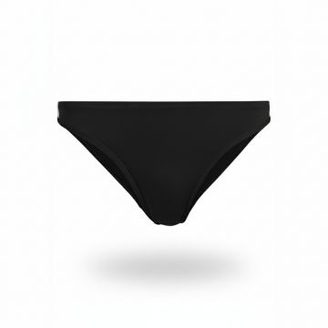 | Adidas | Women | Clothing | Bikini Tops | 160.00 | FW | 04064055527765 | H34665-BLACK | H34665-BLACK-40 | Adidas Recycled Classic Bikini Bottom Black | BLACK | China | 80% REC.PA/20% EOL | 40 |  |  | 1 | €27.50 | €27.50 | €55.00 | €55.00
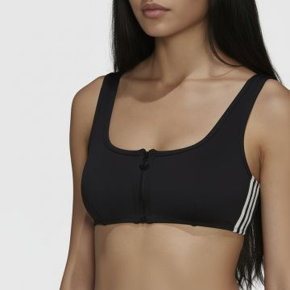 | Adidas | Women | Clothing | Bikini Tops | 160.00 | SS | 04064055547091 | H34667-BLACK | H34667-BLACK-32 | Adidas Front Zip Bikini Top Black | BLACK | China | 85% REC.PES/15% EL | 32 |  |  | 15 | €22.50 | €337.50 | €45.00 | €675.00
 | Adidas | Women | Clothing | Bikini Tops | 160.00 | SS | 04064055547053 | H34667-BLACK | H34667-BLACK-34 | Adidas Front Zip Bikini Top Black | BLACK | China | 85% REC.PES/15% EL | 34 |  |  | 16 | €22.50 | €360.00 | €45.00 | €720.00
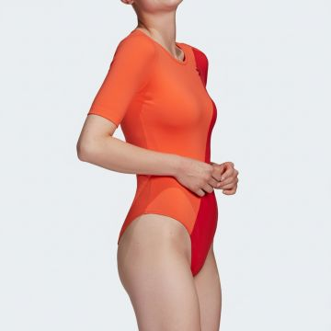 | Adidas | Women | Clothing | Body | 160.00 | SS | 04064044796066 | GN2821-SCARLET | GN2821-SCARLET-34 | Adidas Colorblock Short Sleeve Bodysuit Scarlet |  | Cambodia | 90% CO/10% EL | 34 |  |  | 17 | €25.00 | €425.00 | €50.00 | €850.00
 | Adidas | Women | Clothing | Body | 160.00 | SS | 04064044796134 | GN2821-SCARLET | GN2821-SCARLET-36 | Adidas Colorblock Short Sleeve Bodysuit Scarlet |  | Cambodia | 90% CO/10% EL | 36 |  |  | 13 | €25.00 | €325.00 | €50.00 | €650.00
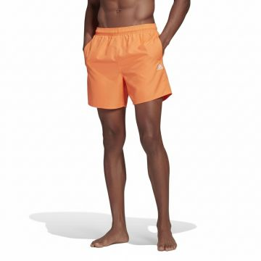 | Adidas | Men | Clothing | Boxer | 160.00 | SS | 04062064635648 | GQ1085-ORANGE_WHITE | GQ1085-ORANGE_WHITE-XS | Adidas Classic Orange Swim Shorts |  | Cambodia | 100% REC.PES | XS |  |  | 4 | €17.50 | €70.00 | €35.00 | €140.00
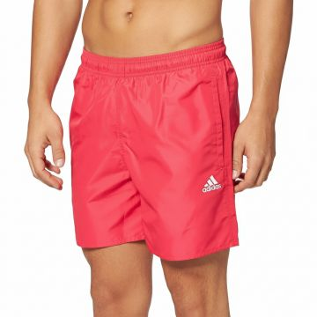 | Adidas | Men | Clothing | Boxer | 160.00 | FW | 04064055612386 | GU0303-PINK | GU0303-PINK-2XL | Adidas Solid CLX Pink Swim Shorts |  | Cambodia | 100% REC.PES | 2XL |  |  | 1 | €17.50 | €17.50 | €35.00 | €35.00
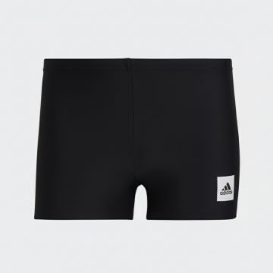 | Adidas | Men | Clothing | Boxer | 160.00 | SS | 04065423214331 | HA0315-BLACK | HA0315-BLACK-5 | Adidas Solid Swimming Boxer Black | BLACK | Cambodia | 80% REC.PA/20% EL | 5 |  |  | 5 | €15.00 | €75.00 | €30.00 | €150.00
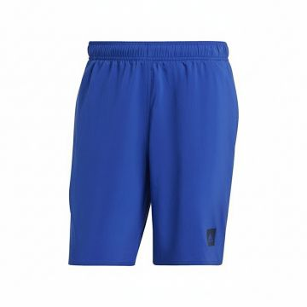 | Adidas | Men | Clothing | Boxer | 160.00 | SS | 04066745112664 | HT2148-BLUE_BLACK | HT2148-BLUE_BLACK-XS | Adidas Solid CLX Swim Shorts Blue | Blue_Black | Indonesia | 100% REC.PES | XS |  |  | 1 | €20.00 | €20.00 | €40.00 | €40.00
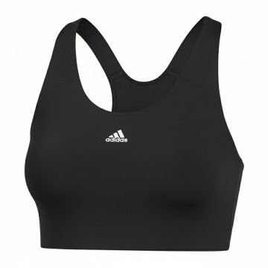 | Adidas | Women | Clothing | Bra | 160.00 | FW | 04059322922664 | CD9718-BLACK | CD9718-BLACK-XS | Adidas Seamless Sports Bra Black | BLACK | MM | 83% REC.PES/17% EL | XS |  |  | 27 | €25.00 | €675.00 | €50.00 | €1,350.00
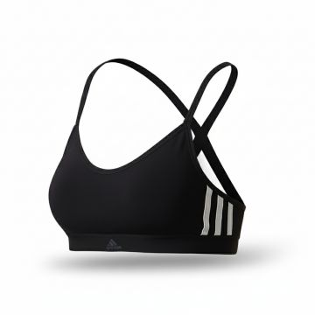 | Adidas | Women | Clothing | Bra | 160.00 | FW | 04060514153612 | CX5262-BLACK | CX5262-BLACK-XS | Adidas All Me 3-Stripes Sports Bra Black | BLACK | Vietnam | 75% PES/25% EL | XS |  |  | 5 | €22.50 | €112.50 | €45.00 | €225.00
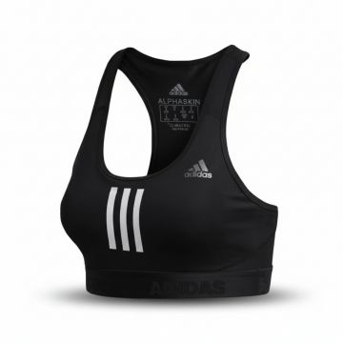 | Adidas | Women | Clothing | Bra | 160.00 | SS | 04060515400623 | DT4026-BLACK | DT4026-BLACK-XS | Adidas Alphaskin Racerback Sports Bra Black | BLACK | India | 79% REC.PES/21% EL | XS |  |  | 1 | €25.00 | €25.00 | €50.00 | €50.00
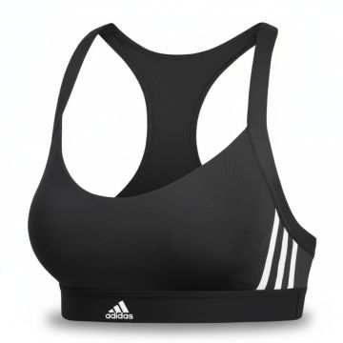 | Adidas | Women | Clothing | Bra | 160.00 | FW | 04060515422342 | DU1290-BLACK | DU1290-BLACK-2XS | Adidas Three Stripe Sports Bra Black | BLACK | VN | 75% REC.PES/25% EL | 2XS |  |  | 1 | €25.00 | €25.00 | €50.00 | €50.00
 | Adidas | Women | Clothing | Bra | 160.00 | FW | 04060515422311 | DU1290-BLACK | DU1290-BLACK-XS | Adidas Three Stripe Sports Bra Black | BLACK | VN | 75% REC.PES/25% EL | XS |  |  | 32 | €25.00 | €800.00 | €50.00 | €1,600.00
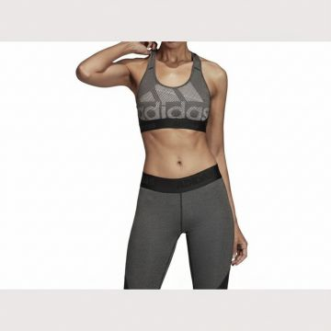 | Adidas | Women | Clothing | Bra | 160.00 | SS | 04061624994812 | DX7574-BLACK | DX7574-BLACK-XS | Adidas Logo Print Racerback Sports Bra Black | BLACK | India | 79% REC.PES/21% EL | XS |  |  | 1 | €25.00 | €25.00 | €50.00 | €50.00
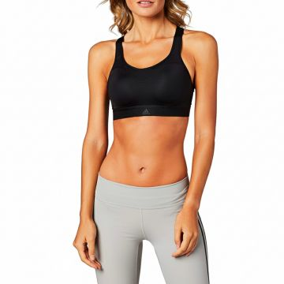 | Adidas | Women | Clothing | Bra | 160.00 | FW | 04061624855458 | DZ6070-BLACK | DZ6070-BLACK-2XS | Adidas Racer Sports Bra Black | BLACK | CN | 87% PA/13% EL | 2XS |  |  | 1 | €25.00 | €25.00 | €50.00 | €50.00
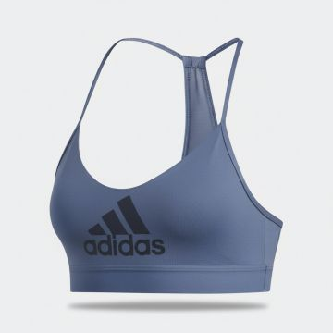 | Adidas | Women | Clothing | Bra | 160.00 | FW | 04061624782303 | EA3270-BLUE | EA3270-BLUE-XS | Adidas Performance Racerback Sports Bra Blue | Blue | China | 88% REC.PES/12% EL | XS |  |  | 2 | €20.00 | €40.00 | €40.00 | €80.00
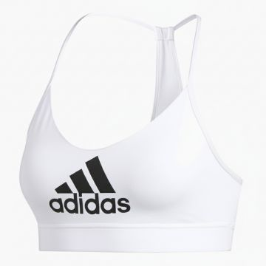 | Adidas | Women | Clothing | Bra | 160.00 | FW | 04061624816893 | EA3273-WHITE | EA3273-WHITE-XS | Adidas Badge of Sport Sports Bra White |  | China | 88% REC.PES/12% EL | XS |  |  | 3 | €20.00 | €60.00 | €40.00 | €120.00
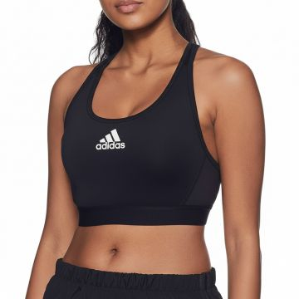 | Adidas | Women | Clothing | Bra | 160.00 | FW | 04062054273485 | FJ7262-BLACK | FJ7262-BLACK-2XS | Adidas Don't Rest Sports Bra Black | BLACK | MM | 70% REC.PES/19% PES/11% EL | 2XS |  |  | 3 | €25.00 | €75.00 | €50.00 | €150.00
 | Adidas | Women | Clothing | Bra | 160.00 | FW | 04062054274314 | FJ7262-BLACK | FJ7262-BLACK-XS | Adidas Don't Rest Sports Bra Black | BLACK | MM | 70% REC.PES/19% PES/11% EL | XS |  |  | 5 | €25.00 | €125.00 | €50.00 | €250.00
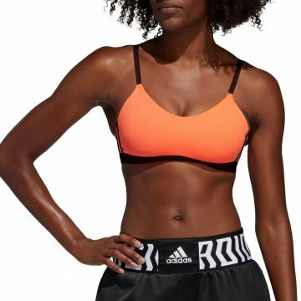 | Adidas | Women | Clothing | Bra | 160.00 | SS | 04062054219490 | FL2380-BLACK | FL2380-BLACK-XS | Adidas 3-Stripes Performance Sports Bra Orange | BLACK | India | 79% REC.PES/21% EL | XS |  |  | 6 | €22.50 | €135.00 | €45.00 | €270.00
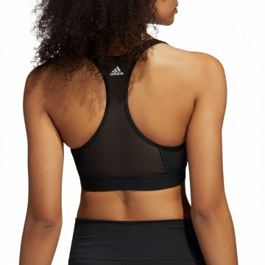 | Adidas | Women | Clothing | Bra | 160.00 | FW | 04060519608094 | FT3128-BLACK_WHITE | FT3128-BLACK_WHITE-2XS | Adidas Performance Racerback Sports Bra Black | BLACK_WHITE | Thailand | 89% REC.PES/11% EL | 2XS |  |  | 2 | €22.50 | €45.00 | €45.00 | €90.00
 | Adidas | Women | Clothing | Bra | 160.00 | FW | 04060519608117 | FT3128-BLACK_WHITE | FT3128-BLACK_WHITE-XS | Adidas Performance Racerback Sports Bra Black | BLACK_WHITE | Thailand | 89% REC.PES/11% EL | XS |  |  | 11 | €22.50 | €247.50 | €45.00 | €495.00
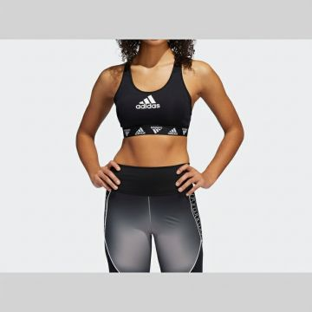 | Adidas | Women | Clothing | Bra | 160.00 | FW | 04060519584985 | FT3129-BLACK_WHITE | FT3129-BLACK_WHITE-2XS | Adidas Ask Racerback Sports Bra Black | BLACK_WHITE | Thailand | 70% REC.PES/19% PES/11% EL | 2XS |  |  | 2 | €25.00 | €50.00 | €50.00 | €100.00
 | Adidas | Women | Clothing | Bra | 160.00 | FW | 04060519585005 | FT3129-BLACK_WHITE | FT3129-BLACK_WHITE-XS | Adidas Ask Racerback Sports Bra Black | BLACK_WHITE | Thailand | 70% REC.PES/19% PES/11% EL | XS |  |  | 5 | €25.00 | €125.00 | €50.00 | €250.00
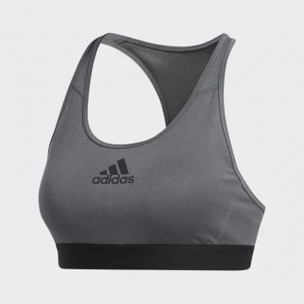 | Adidas | Women | Clothing | Bra | 160.00 | FW | 04060518889333 | FU6194-GREY | FU6194-GREY-XS | Adidas DRST Performance Sports Bra Grey |  | MM | 89% PES/11% EL | XS |  |  | 2 | €25.00 | €50.00 | €50.00 | €100.00
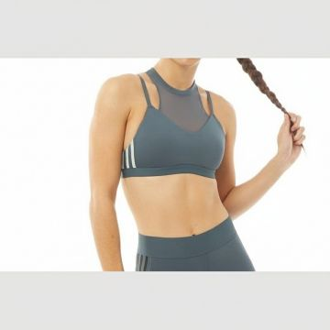 | Adidas | Women | Clothing | Bra | 160.00 | FW | 04060519611858 | GC7642-BLUE | GC7642-BLUE-XS | Adidas 3-Stripes Mesh Sports Bra Blue | Blue | Vietnam | 70% REC.PES/19% PES/11% EL | XS |  |  | 3 | €22.50 | €67.50 | €45.00 | €135.00
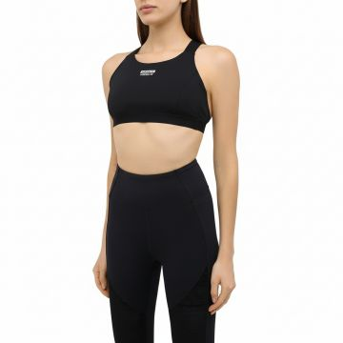 | Adidas | Women | Clothing | Bra | 160.00 | FW | 04062063948282 | GD3085-BLACK | GD3085-BLACK-32 | Adidas Racerback Sports Bra Black | BLACK | Cambodia | 79% REC.PES/21% EL | 32 |  |  | 3 | €15.00 | €45.00 | €30.00 | €90.00
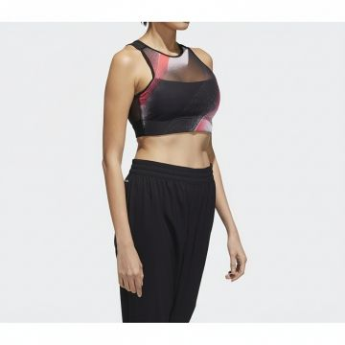 | Adidas | Women | Clothing | Bra | 160.00 | FW | 04062062151003 | GD4537-BLACK_WHITE | GD4537-BLACK_WHITE-2XS | Adidas Colorblock Mesh Sports Bra Black | BLACK_WHITE | Philippines | 95% PES/5% EL | 2XS |  |  | 9 | €22.50 | €202.50 | €45.00 | €405.00
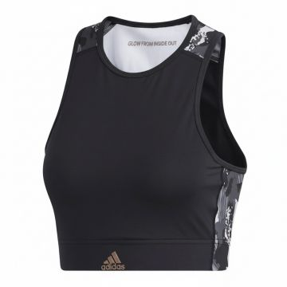 | Adidas | Women | Clothing | Bra | 160.00 | FW | 04062062055530 | GG3427-BLACK | GG3427-BLACK-2XS | Adidas Urban Print Sports Bra Black | BLACK | KH | 75% REC.PES/25% EL | 2XS |  |  | 2 | €17.50 | €35.00 | €35.00 | €70.00
 | Adidas | Women | Clothing | Bra | 160.00 | FW | 04062059004152 | GH4788-BLACK | GH4788-BLACK-2XS | Adidas DRST Sports Bra Black | BLACK | Myanmar | 89% REC.PES/11% EL | 2XS |  |  | 78 | €22.50 | €1,755.00 | €45.00 | €3,510.00
 | Adidas | Women | Clothing | Bra | 160.00 | FW | 04062059004138 | GH4788-BLACK | GH4788-BLACK-XS | Adidas DRST Sports Bra Black | BLACK | Myanmar | 89% REC.PES/11% EL | XS |  |  | 172 | €22.50 | €3,870.00 | €45.00 | €7,740.00
 | Adidas | Women | Clothing | Bra | 160.00 | FW | 04064045878426 | GM3013-BLACK_WHITE | GM3013-BLACK_WHITE-2X | Adidas 3-Stripes Performance Sports Bra Black | BLACK_WHITE | Vietnam | 79% REC.PES/21% EL | 2X |  |  | 2 | €22.50 | €45.00 | €45.00 | €90.00
 | Adidas | Women | Clothing | Bra | 160.00 | FW | 04064045878457 | GM3013-BLACK_WHITE | GM3013-BLACK_WHITE-3X | Adidas 3-Stripes Performance Sports Bra Black | BLACK_WHITE | Vietnam | 79% REC.PES/21% EL | 3X |  |  | 2 | €22.50 | €45.00 | €45.00 | €90.00
 | Adidas | Women | Clothing | Bra | 160.00 | SS | 04062064703354 | GM5160-PINK | GM5160-PINK-XS | Adidas Pink Seamless Sports Bra |  | China | 100% seamless fully fashion | XS |  |  | 13 | €25.00 | €325.00 | €50.00 | €650.00
 | Adidas | Women | Clothing | Bra | 160.00 | SS | 04064045728738 | GP7668-GREY | GP7668-GREY-XS | Adidas Grey Camo Medium Support Sports Bra |  | India | 79% REC.PES/21% EL | XS |  |  | 1 | €25.00 | €25.00 | €50.00 | €50.00
 | Adidas | Women | Clothing | Bra | 160.00 | SS | 04064057522591 | GR8171-BLACK_WHITE | GR8171-BLACK_WHITE-XS | Adidas Three Stripe Workout Bra Black | BLACK | India | 79% REC.PES/21% EL | XS |  |  | 1 | €25.00 | €25.00 | €50.00 | €50.00
 | Adidas | Women | Clothing | Bra | 160.00 | FW | 04064056930199 | GR8250-BLACK_WHITE | GR8250-BLACK_WHITE-2XS | Adidas Reflective Sports Bra Black | BLACK_WHITE | Thailand | 89% REC.PES/11% EL | 2XS |  |  | 1 | €27.50 | €27.50 | €55.00 | €55.00
 | Adidas | Women | Clothing | Bra | 160.00 | FW | 04064056933824 | GR8250-BLACK_WHITE | GR8250-BLACK_WHITE-XS | Adidas Reflective Sports Bra Black | BLACK_WHITE | Thailand | 89% REC.PES/11% EL | XS |  |  | 14 | €27.50 | €385.00 | €55.00 | €770.00
 | Adidas | Women | Clothing | Bra | 160.00 | FW | 04064056926239 | GR8251-ORANGE | GR8251-ORANGE-XS | Adidas Reflective Sports Bra Violet |  | TH | 89% REC.PES/11% EL | XS |  |  | 2 | €27.50 | €55.00 | €55.00 | €110.00
 | Adidas | Women | Clothing | Bra | 160.00 | FW | 04064055374635 | H28823-RED_WHITE | H28823-RED_WHITE-XS | Adidas Performance Racerback Sports Bra Pink |  | Thailand | 89% rec polyester/11% Elasthane | XS |  |  | 7 | €22.50 | €157.50 | €45.00 | €315.00
 | Adidas | Women | Clothing | Bra | 160.00 | FW | 04064054435849 | H37609-VIOLET | H37609-VIOLET-XS | Adidas Aeroknit Racerback Sports Bra Violet |  | China | 88% REC.PES/12% EL | XS |  |  | 6 | €22.50 | €135.00 | €45.00 | €270.00
 | Adidas | Women | Clothing | Bra | 160.00 | FW | 04064056945384 | H56330-BLACK_WHITE | H56330-BLACK_WHITE-2XS | Adidas Yoga Support Sports Bra Black | BLACK | Vietnam | 88% REC.PES/12% EL | 2XS |  |  | 7 | €25.00 | €175.00 | €50.00 | €350.00
 | Adidas | Women | Clothing | Bra | 160.00 | FW | 04064056945438 | H56330-BLACK_WHITE | H56330-BLACK_WHITE-XS | Adidas Yoga Support Sports Bra Black | BLACK | Vietnam | 88% REC.PES/12% EL | XS |  |  | 4 | €25.00 | €100.00 | €50.00 | €200.00
 | Adidas | Women | Clothing | Bra | 160.00 | FW | 04064056930021 | HA3376-BLACK | HA3376-BLACK-XS | Adidas Marimekko Racerback Sports Bra Black | BLACK | Thailand | 89% REC.PES/11% EL | XS |  |  | 8 | €27.50 | €220.00 | €55.00 | €440.00
 | Adidas | Women | Clothing | Bra | 160.00 | FW | 04065419838138 | HC2927-BLUE | HC2927-BLUE-2XS | Adidas Strappy Cutout Sports Bra Pink |  | TH | 85% REC.PES/15% EL-Interlock-hydrophilic finish | 2XS |  |  | 5 | €22.50 | €112.50 | €45.00 | €225.00
 | Adidas | Women | Clothing | Bra | 160.00 | SS | 04065417388437 | HC7915 | HC7915-XLAC | CF STO MS BRA |  | CN | 79% REC. PES 21% EA | XLAC |  |  | 1 | €25.00 | €25.00 | €50.00 | €50.00
 | Adidas | Women | Clothing | Bra | 160.00 | FW | 04065429749530 | HH7310-ORANGE | HH7310-ORANGE-1X | Adidas Seamless Striped Sports Bra Orange |  | CN | 73% REC.PES/19% REC.PA/8% EL | 1X |  |  | 18 | €25.00 | €450.00 | €50.00 | €900.00
 | Adidas | Women | Clothing | Bra | 160.00 | FW | 04065429749547 | HH7310-ORANGE | HH7310-ORANGE-2X | Adidas Seamless Striped Sports Bra Orange |  | CN | 73% REC.PES/19% REC.PA/8% EL | 2X |  |  | 12 | €25.00 | €300.00 | €50.00 | €600.00
 | Adidas | Women | Clothing | Bra | 160.00 | FW | 04065429749523 | HH7310-ORANGE | HH7310-ORANGE-3X | Adidas Seamless Striped Sports Bra Orange |  | CN | 73% REC.PES/19% REC.PA/8% EL | 3X |  |  | 8 | €25.00 | €200.00 | €50.00 | €400.00
 | Adidas | Women | Clothing | Bra | 160.00 | SS | 04065429877400 | HH7322-NAVY | HH7322-NAVY-S | Adidas Navy Camo Sports Bra |  | India | 79% REC.PES/21% EL | S |  |  | 1 | €22.50 | €22.50 | €45.00 | €45.00
 | Adidas | Women | Clothing | Bra | 160.00 | FW | 04065429111641 | HK4717-BLACK | HK4717-BLACK-XS | Adidas Black Sports Bra Tank Top | BLACK | Vietnam | 79% REC.PES/21% EL | XS |  |  | 2 | €25.00 | €50.00 | €50.00 | €100.00
 | Adidas | Women | Clothing | Bra | 160.00 | FW | 04066747585930 | HM2118-MULTICOLOUR | HM2118-MULTICOLOUR-32 | Adidas Ribbed Cut-Out Sports Bra Coral |  | China | 47% CV/43% CO/10% EL:Rib for body:350: | 32 |  |  | 6 | €20.00 | €120.00 | €40.00 | €240.00
 | Adidas | Women | Clothing | Bra | 160.00 | FW | 04066747585985 | HM2118-MULTICOLOUR | HM2118-MULTICOLOUR-34 | Adidas Ribbed Cut-Out Sports Bra Coral |  | China | 47% CV/43% CO/10% EL:Rib for body:350: | 34 |  |  | 11 | €20.00 | €220.00 | €40.00 | €440.00
 | Adidas | Women | Clothing | Bra | 160.00 | FW | 04065429872511 | HM6237-GREEN | HM6237-GREEN-LAC | Adidas TailoreD Move High Support Bra Green |  | VN | 82% REC.PES/18% EL, 89% REC.PES/11% EL | LAC |  |  | 2 | €27.50 | €55.00 | €55.00 | €110.00
 | Adidas | Women | Clothing | Bra | 160.00 | FW | 04065429872566 | HM6237-GREEN | HM6237-GREEN-MAC | Adidas TailoreD Move High Support Bra Green |  | VN | 82% REC.PES/18% EL, 89% REC.PES/11% EL | MAC |  |  | 2 | €27.50 | €55.00 | €55.00 | €110.00
 | Adidas | Women | Clothing | Bra | 160.00 | FW | 04065429869078 | HM6237-GREEN | HM6237-GREEN-SAC | Adidas TailoreD Move High Support Bra Green |  | VN | 82% REC.PES/18% EL, 89% REC.PES/11% EL | SAC |  |  | 2 | €27.50 | €55.00 | €55.00 | €110.00
 | Adidas | Women | Clothing | Bra | 160.00 | FW | 04065429872535 | HM6237-GREEN | HM6237-GREEN-XSAC | Adidas TailoreD Move High Support Bra Green |  | VN | 82% REC.PES/18% EL, 89% REC.PES/11% EL | XSAC |  |  | 17 | €27.50 | €467.50 | €55.00 | €935.00
 | Adidas | Women | Clothing | Bra | 160.00 | FW | 04065429817895 | HM7988-GREEN | HM7988-GREEN-LAC | Adidas Medium Support Sports Bra Green |  | VN | 88% REC.PES/12% EL, 79% REC.PES/21% EL | LAC |  |  | 5 | €22.50 | €112.50 | €45.00 | €225.00
 | Adidas | Women | Clothing | Bra | 160.00 | FW | 04065429821700 | HM7988-GREEN | HM7988-GREEN-MAC | Adidas Medium Support Sports Bra Green |  | VN | 88% REC.PES/12% EL, 79% REC.PES/21% EL | MAC |  |  | 1 | €22.50 | €22.50 | €45.00 | €45.00
 | Adidas | Women | Clothing | Bra | 160.00 | FW | 04065429682608 | HN7275-RED | HN7275-RED-M | Adidas Pink Red Sports Bra Medium |  | VN | 82% REC.PES/18% EL, 73% REC.PES/27% EL | M |  |  | 1 | €25.00 | €25.00 | €50.00 | €50.00
 | Adidas | Women | Clothing | Bra | 160.00 | FW | 04065429682516 | HN7275-RED | HN7275-RED-XS | Adidas Pink Red Sports Bra Medium |  | VN | 82% REC.PES/18% EL, 73% REC.PES/27% EL | XS |  |  | 2 | €25.00 | €50.00 | €50.00 | €100.00
 | Adidas | Women | Clothing | Bra | 160.00 | FW | 04065429674542 | HN7278-YELLOW_GREEN | HN7278-YELLOW_GREEN-2XSC | Adidas PWR MS TF Sports Bra Yellow Green |  | VN | 82% REC.PES/18% EL, 73% REC.PES/27% EL | 2XSC |  |  | 1 | €25.00 | €25.00 | €50.00 | €50.00
 | Adidas | Women | Clothing | Bra | 160.00 | FW | 04065429677185 | HN7278-YELLOW_GREEN | HN7278-YELLOW_GREEN-LAC | Adidas PWR MS TF Sports Bra Yellow Green |  | VN | 82% REC.PES/18% EL, 73% REC.PES/27% EL | LAC |  |  | 4 | €25.00 | €100.00 | €50.00 | €200.00
 | Adidas | Women | Clothing | Bra | 160.00 | FW | 04065429674504 | HN7278-YELLOW_GREEN | HN7278-YELLOW_GREEN-MAC | Adidas PWR MS TF Sports Bra Yellow Green |  | VN | 82% REC.PES/18% EL, 73% REC.PES/27% EL | MAC |  |  | 5 | €25.00 | €125.00 | €50.00 | €250.00
 | Adidas | Women | Clothing | Bra | 160.00 | FW | 04065429674672 | HN7278-YELLOW_GREEN | HN7278-YELLOW_GREEN-SAC | Adidas PWR MS TF Sports Bra Yellow Green |  | VN | 82% REC.PES/18% EL, 73% REC.PES/27% EL | SAC |  |  | 1 | €25.00 | €25.00 | €50.00 | €50.00
 | Adidas | Women | Clothing | Bra | 160.00 | FW | 04065429674511 | HN7278-YELLOW_GREEN | HN7278-YELLOW_GREEN-XLAC | Adidas PWR MS TF Sports Bra Yellow Green |  | VN | 82% REC.PES/18% EL, 73% REC.PES/27% EL | XLAC |  |  | 6 | €25.00 | €150.00 | €50.00 | €300.00
 | Adidas | Women | Clothing | Bra | 160.00 | FW | 04065429674573 | HN7278-YELLOW_GREEN | HN7278-YELLOW_GREEN-XSAC | Adidas PWR MS TF Sports Bra Yellow Green |  | VN | 82% REC.PES/18% EL, 73% REC.PES/27% EL | XSAC |  |  | 9 | €25.00 | €225.00 | €50.00 | €450.00
 | Adidas | Women | Clothing | Bra | 160.00 | SS | 04066745170428 | HR3036-BLACK | HR3036-BLACK-2XSC | Adidas Double Strap Workout Bra Black | BLACK | India | 79% REC.PES/21% EL | 2XSC |  |  | 1 | €22.50 | €22.50 | €45.00 | €45.00
 | Adidas | Women | Clothing | Bra | 160.00 | FW | 04065432236485 | HT3488-BLACK | HT3488-BLACK-XSAC | Adidas Three Stripe Sports Bra Black | BLACK | MM | 89% REC.PES/11% EL | XSAC |  |  | 1 | €22.50 | €22.50 | €45.00 | €45.00
 | Adidas | Women | Clothing | Bra | 160.00 | FW | 04066746626511 | HZ9677-BLUE | HZ9677-BLUE-SAC | Adidas Racerback Sports Bra Brown |  | CN | 73% REC.PES/27% EL:Interlock:230: | SAC |  |  | 10 | €27.50 | €275.00 | €55.00 | €550.00
 | Adidas | Women | Clothing | Bra | 160.00 | FW | 04066746626481 | HZ9677-BLUE | HZ9677-BLUE-XSAC | Adidas Racerback Sports Bra Brown |  | CN | 73% REC.PES/27% EL:Interlock:230: | XSAC |  |  | 7 | €27.50 | €192.50 | €55.00 | €385.00
 | Adidas | Women | Clothing | Bra | 160.00 | FW | 04066748287260 | IB3618-MULTICOLOUR | IB3618-MULTICOLOUR-2XSC | Adidas Zebra Print Sports Bra Grey Black |  | CN | 100% REC.PES | 2XSC |  |  | 1 | €22.50 | €22.50 | €45.00 | €45.00
 | Adidas | Women | Clothing | Bra | 160.00 | FW | 04066748287208 | IB3618-MULTICOLOUR | IB3618-MULTICOLOUR-XSAC | Adidas Zebra Print Sports Bra Grey Black |  | CN | 100% REC.PES | XSAC |  |  | 13 | €22.50 | €292.50 | €45.00 | €585.00
 | Adidas | Women | Clothing | Bra | 160.00 | FW | 04066748267989 | IB3621-BROWN | IB3621-BROWN-XSAC | Adidas Zebra Print Sports Bra Brown | BROWN | CN | 100% REC.PES | XSAC |  |  | 7 | €22.50 | €157.50 | €45.00 | €315.00
 | Adidas | Women | Clothing | Dresses | 160.00 | FW | 04066752946061 | II6109-BLACK | II6109-BLACK-32 | Adidas Off-Shoulder Asymmetric Dress Red |  | China |  | 32 |  |  | 1 | €24.85 | €24.85 | €49.70 | €49.70
 | Adidas | Women | Clothing | Dresses | 160.00 | FW | 04066752949772 | II6109-BLACK | II6109-BLACK-36 | Adidas Off-Shoulder Asymmetric Dress Red |  | China |  | 36 |  |  | 4 | €24.85 | €99.40 | €49.70 | €198.80
 | Adidas | Women | Clothing | Dresses | 160.00 | FW | 04066752949697 | II6109-BLACK | II6109-BLACK-38 | Adidas Off-Shoulder Asymmetric Dress Red |  | China |  | 38 |  |  | 2 | €24.85 | €49.70 | €49.70 | €99.40
 | Adidas | Women | Clothing | Leggings | 160.00 | FW | 04059322974496 | CF6556-BLACK | CF6556-BLACK-2XS | Adidas Black Athletic Leggings | BLACK | Indonesia | 83% REC.PES/17% EL | 2XS |  |  | 2 | €22.50 | €45.00 | €45.00 | €90.00
 | Adidas | Women | Clothing | Leggings | 160.00 | FW | 04065429855422 | HC8812-BLACK | HC8812-BLACK-XS | Adidas High-Waisted Boot-Cut Leggings Black | BLACK | VN | 90% CO/10% EL | XS |  |  | 6 | €30.00 | €180.00 | €60.00 | €360.00
 | Adidas | Women | Clothing | Leggings | 160.00 | SS | 04065431106475 | HI6044-WHITE | HI6044-WHITE-S | Adidas Stellasport Wave Print Capri Leggings Burgundy |  | ID | 72% REC.PES/28% EL | S |  |  | 1 | €25.00 | €25.00 | €50.00 | €50.00
 | Adidas | Men | Clothing | Long Sleeve T-shirts | 160.00 | FW | 04065429015109 | HU0326-BLACK_WHITE | HU0326-BLACK_WHITE-S | Adidas Tiro Quarter-Zip Training Top Black White | BLACK_WHITE | CN | 70% PES 26% CO 4% EA | S |  |  | 535 | €22.50 | €12,037.50 | €45.00 | €24,075.00
 | Adidas | Men | Clothing | Long Sleeve T-shirts | 160.00 | FW | 04065429011880 | HU0326-BLACK_WHITE | HU0326-BLACK_WHITE-XS | Adidas Tiro Quarter-Zip Training Top Black White | BLACK_WHITE | CN | 70% PES 26% CO 4% EA | XS |  |  | 411 | €22.50 | €9,247.50 | €45.00 | €18,495.00
 | Adidas | Women | Clothing | Long Sleeve T-shirts | 160.00 | FW | 04066752949864 | II6084-BLUE | II6084-BLUE-32 | Adidas Originals Cutout Long Sleeve Top Red |  | Vietnam | 93% CO/7% EL:Single jersey:230: | 32 |  |  | 2 | €22.50 | €45.00 | €45.00 | €90.00
 | Adidas | Women | Clothing | Long Sleeve T-shirts | 160.00 | FW | 04066752953595 | II6084-BLUE | II6084-BLUE-34 | Adidas Originals Cutout Long Sleeve Top Red |  | Vietnam | 93% CO/7% EL:Single jersey:230: | 34 |  |  | 2 | €22.50 | €45.00 | €45.00 | €90.00
 | Adidas | Women | Clothing | Long Sleeve T-shirts | 160.00 | FW | 04066752957494 | II6114-BLUE | II6114-BLUE-32 | Adidas Originals Mesh Panel Long Sleeve Red |  | China | 89% REC.PES/11% EL:Interlock:220: | 32 |  |  | 17 | €27.50 | €467.50 | €55.00 | €935.00
 | Adidas | Women | Clothing | Long Sleeve T-shirts | 160.00 | FW | 04066752957579 | II6114-BLUE | II6114-BLUE-34 | Adidas Originals Mesh Panel Long Sleeve Red |  | China | 89% REC.PES/11% EL:Interlock:220: | 34 |  |  | 20 | €27.50 | €550.00 | €55.00 | €1,100.00
 | Adidas | Women | Clothing | Long Sleeve T-shirts | 160.00 | FW | 04066752957555 | II6114-BLUE | II6114-BLUE-36 | Adidas Originals Mesh Panel Long Sleeve Red |  | China | 89% REC.PES/11% EL:Interlock:220: | 36 |  |  | 19 | €27.50 | €522.50 | €55.00 | €1,045.00
 | Adidas | Women | Clothing | Long Sleeve T-shirts | 160.00 | FW | 04066752957517 | II6114-BLUE | II6114-BLUE-38 | Adidas Originals Mesh Panel Long Sleeve Red |  | China | 89% REC.PES/11% EL:Interlock:220: | 38 |  |  | 1 | €27.50 | €27.50 | €55.00 | €55.00
 | Adidas | Women | Clothing | Long Sleeve T-shirts | 160.00 | FW | 04066752957586 | II6114-BLUE | II6114-BLUE-40 | Adidas Originals Mesh Panel Long Sleeve Red |  | China | 89% REC.PES/11% EL:Interlock:220: | 40 |  |  | 2 | €27.50 | €55.00 | €55.00 | €110.00
 | Adidas | Women | Clothing | One-Piece Swimsuit | 160.00 | SS | 04064044079848 | GM3880-RED_WHITE | GM3880-RED_WHITE-32 | Adidas Red Three-Stripe Athletic Swimsuit |  | Tunisia | 78% REC.PA/22% EL | 32 |  |  | 6 | €22.50 | €135.00 | €45.00 | €270.00
 | Adidas | Women | Clothing | One-Piece Swimsuit | 160.00 | FW | 04065419826685 | HC2929-BLACK | HC2929-BLACK-2XS | Adidas Cutout Athletic Swimsuit Black | BLACK | Thailand | 85% REC.PES/15% EL-Interlock-hydrophilic finish | 2XS |  |  | 1 | €27.50 | €27.50 | €55.00 | €55.00
 | Adidas | Women | Clothing | Short Sleeve Shirts | 160.00 | FW | 04066747759942 | HL9048-BLUE | HL9048-BLUE-38 | Adidas Originals Oversized Linen Shirt Purple | Blue | ID | 55% LINEN 45% VI | 38 |  |  | 3 | €28.26 | €84.78 | €65.00 | €195.00
 | Adidas | Women | Clothing | Short Sleeve T-shirts | 160.00 | FW | 04059812341029 | DQ2620-WHITE | DQ2620-WHITE-2XS | Adidas Own The Run Performance Tee White |  | Vietnam | 100% REC.PES | 2XS |  |  | 1 | €22.50 | €22.50 | €45.00 | €45.00
no photo | Adidas | Women | Clothing | Short Sleeve T-shirts | 160.00 | FW | 04064055499024 | EY1484-BEIGE | EY1484-BEIGE-XS | Short Sleeve T-shirts W 3S T | Beige | south Africa | 100% PIMA COTTON | XS |  |  | 1 | €15.00 | €15.00 | €30.00 | €30.00
 | Adidas | Women | Clothing | Short Sleeve T-shirts | 160.00 | FW | 04064036845154 | GD2393-NAVY | GD2393-NAVY-32 | Adidas Colorblock Crop T-Shirt Navy |  | Vietnam | 100% PIMA COTTON | 32 |  |  | 1 | €22.50 | €22.50 | €45.00 | €45.00
 | Adidas | Men | Clothing | Short Sleeve T-shirts | 160.00 | SS | 04064044110008 | GJ9885-YELLOW | GJ9885-YELLOW-S | Adidas Runner Performance T-Shirt Yellow |  | Vietnam | 100% REC.PES | S |  |  | 3 | €27.50 | €82.50 | €55.00 | €165.00
 | Adidas | Women | Clothing | Short Sleeve T-shirts | 160.00 | SS | 04064044028440 | GJ9904-YELLOW | GJ9904-YELLOW-S | Adidas Runner Performance Tee Yellow |  | Vietnam | 100% REC.PES | S |  |  | 8 | €27.50 | €220.00 | €55.00 | €440.00
 | Adidas | Women | Clothing | Short Sleeve T-shirts | 160.00 | SS | 04064044028549 | GJ9904-YELLOW | GJ9904-YELLOW-XS | Adidas Runner Performance Tee Yellow |  | Vietnam | 100% REC.PES | XS |  |  | 11 | €27.50 | €302.50 | €55.00 | €605.00
 | Adidas | Women | Clothing | Short Sleeve T-shirts | 160.00 | SS | 04064045338654 | GJ9983-YELLOW | GJ9983-YELLOW-S | Adidas Own The Run Performance Tee Yellow |  | Indonesia | 100% REC.PES | S |  |  | 9 | €22.50 | €202.50 | €45.00 | €405.00
 | Adidas | Women | Clothing | Short Sleeve T-shirts | 160.00 | SS | 04064045354425 | GK4828-BLACK_WHITE | GK4828-BLACK_WHITE-XS | Adidas Geometric Print Performance T-shirt Grey | Black_Grey | Indonesia | 100% REC.PES | XS |  |  | 11 | €27.50 | €302.50 | €55.00 | €605.00
 | Adidas | Women | Clothing | Short Sleeve T-shirts | 160.00 | FW | 04064056886946 | H51188-BLUE | H51188-BLUE-XS | Adidas Women's Performance Training Tee Pink |  | Thailand | 100% REC.PES | XS |  |  | 1 | €25.00 | €25.00 | €50.00 | €50.00
 | Adidas | Women | Clothing | Short Sleeve T-shirts | 160.00 | SS | 04066752765174 | HA7151-GREEN | HA7151-GREEN-S | Adidas Hemp Essential Green T-Shirt |  | China | 70% CO/30% HEMP | S |  |  | 7 | €22.50 | €157.50 | €45.00 | €315.00
 | Adidas | Women | Clothing | Short Sleeve T-shirts | 160.00 | SS | 04066752765129 | HA7151-GREEN | HA7151-GREEN-XS | Adidas Hemp Essential Green T-Shirt |  | China | 70% CO/30% HEMP | XS |  |  | 11 | €22.50 | €247.50 | €45.00 | €495.00
 | Adidas | Women | Clothing | Short Sleeve T-shirts | 160.00 | SS | 04065423939036 | HD7029-GREEN | HD7029-GREEN-S | Adidas Neon Green Stripe Performance Tee |  | Cambodia | 84% REC.PES/16% EL:Single jersey:200: | S |  |  | 16 | €27.50 | €440.00 | €55.00 | €880.00
no photo | Adidas | Women | Clothing | Short Sleeve T-shirts |  | SS | 04065419145502 | HF4166-BLACK | HF4166-BLACK-S | CROPPED TEE W | BLACK |  |  | S | EU | S | 1 | €13.45 | €13.45 | €32.81 | €32.81
 | Adidas | Women | Clothing | Short Sleeve T-shirts | 160.00 | SS | 04065431098701 | HH7220-VIOLET | HH7220-VIOLET-XS | Adidas Purple Activewear T-Shirt Violet |  | Indonesia | 100% PIMA COTTON | XS |  |  | 3 | €22.50 | €67.50 | €45.00 | €135.00
 | Adidas | Women | Clothing | Short Sleeve T-shirts | 160.00 | FW | 04065429029052 | HJ7828-BLACK | HJ7828-BLACK-2XL | Adidas T-shirt | Blue | Indonesia | 75% REC.PES/16% CLY/9% EL | 2XL |  |  | 1 | €25.00 | €25.00 | €50.00 | €50.00
 | Adidas | Women | Clothing | Short Sleeve T-shirts | 160.00 | FW | 04065429029076 | HJ7828-BLACK | HJ7828-BLACK-2XS | Adidas T-shirt | Blue | Indonesia | 75% REC.PES/16% CLY/9% EL | 2XS |  |  | 3 | €25.00 | €75.00 | €50.00 | €150.00
 | Adidas | Women | Clothing | Short Sleeve T-shirts | 160.00 | FW | 04066747032182 | HK5175-RED | HK5175-RED-32 | Adidas Outline Trefoil Crop Tee Red |  | China | 100% CO:Single jersey:180: | 32 |  |  | 43 | €22.50 | €967.50 | €45.00 | €1,935.00
 | Adidas | Women | Clothing | Short Sleeve T-shirts | 160.00 | FW | 04066747028567 | HK5175-RED | HK5175-RED-34 | Adidas Outline Trefoil Crop Tee Red |  | China | 100% CO:Single jersey:180: | 34 |  |  | 55 | €22.50 | €1,237.50 | €45.00 | €2,475.00
 | Adidas | Women | Clothing | Short Sleeve T-shirts | 160.00 | FW | 04066747032298 | HK5175-RED | HK5175-RED-36 | Adidas Outline Trefoil Crop Tee Red |  | China | 100% CO:Single jersey:180: | 36 |  |  | 69 | €22.50 | €1,552.50 | €45.00 | €3,105.00
 | Adidas | Women | Clothing | Short Sleeve T-shirts | 160.00 | FW | 04066747032281 | HK5175-RED | HK5175-RED-38 | Adidas Outline Trefoil Crop Tee Red |  | China | 100% CO:Single jersey:180: | 38 |  |  | 8 | €22.50 | €180.00 | €45.00 | €360.00
 | Adidas | Women | Clothing | Short Sleeve T-shirts | 160.00 | FW | 04066747032212 | HK5175-RED | HK5175-RED-42 | Adidas Outline Trefoil Crop Tee Red |  | China | 100% CO:Single jersey:180: | 42 |  |  | 11 | €22.50 | €247.50 | €45.00 | €495.00
 | Adidas | Women | Clothing | Short Sleeve T-shirts | 160.00 | SS | 04065429077558 | HK6963-GREEN | HK6963-GREEN-S | Adidas Oversized Cotton T-Shirt Green |  | Indonesia | 100% PIMA COTTON | S |  |  | 1 | €22.50 | €22.50 | €45.00 | €45.00
 | Adidas | Men | Clothing | Short Sleeve T-shirts | 160.00 | FW | 04065415467127 | HL8760-SILVER | HL8760-SILVER-XS | Adidas Spray Dye Athletic T-Shirt Silver |  | Cambodia | 100% REC.PES | XS |  |  | 2 | €25.00 | €50.00 | €50.00 | €100.00
 | Adidas | Women | Clothing | Short Sleeve T-shirts | 160.00 | FW | 04066747377900 | HL9051-WHITE | HL9051-WHITE-32 | Short Sleeve T-shirts GRAPHIC TEE |  | China | 100% CO:Single jersey:230: | 32 |  |  | 9 | €22.50 | €202.50 | €45.00 | €405.00
 | Adidas | Women | Clothing | Short Sleeve T-shirts | 160.00 | FW | 04066747377948 | HL9051-WHITE | HL9051-WHITE-34 | Short Sleeve T-shirts GRAPHIC TEE |  | China | 100% CO:Single jersey:230: | 34 |  |  | 8 | €22.50 | €180.00 | €45.00 | €360.00
 | Adidas | Women | Clothing | Short Sleeve T-shirts | 160.00 | FW | 04066747377931 | HL9051-WHITE | HL9051-WHITE-36 | Short Sleeve T-shirts GRAPHIC TEE |  | China | 100% CO:Single jersey:230: | 36 |  |  | 11 | €22.50 | €247.50 | €45.00 | €495.00
 | Adidas | Women | Clothing | Short Sleeve T-shirts | 160.00 | SS | 04066752593302 | HR7786-WHITE | HR7786-WHITE-S | Adidas Logo Pattern Workout Tee White |  | Cambodia | 83% REC.PES/17% EL | S |  |  | 32 | €22.50 | €720.00 | €45.00 | €1,440.00
 | Adidas | Women | Clothing | Short Sleeve T-shirts | 160.00 | SS | 04066752593326 | HR7786-WHITE | HR7786-WHITE-XS | Adidas Logo Pattern Workout Tee White |  | Cambodia | 83% REC.PES/17% EL | XS |  |  | 28 | €22.50 | €630.00 | €45.00 | €1,260.00
 | Adidas | Women | Clothing | Short Sleeve T-shirts | 160.00 | FW | 04066746630365 | HZ6964-PURPLE | HZ6964-PURPLE-2XS | Adidas Purple Raglan Training Top Women |  | Myanmar | 85% REC.PES/15% EL:Interlock:250: | 2XS |  |  | 8 | €22.50 | €180.00 | €45.00 | €360.00
 | Adidas | Women | Clothing | Short Sleeve T-shirts | 160.00 | FW | 04066746630358 | HZ6964-PURPLE | HZ6964-PURPLE-S | Adidas Purple Raglan Training Top Women |  | Myanmar | 85% REC.PES/15% EL:Interlock:250: | S |  |  | 24 | €22.50 | €540.00 | €45.00 | €1,080.00
 | Adidas | Women | Clothing | Short Sleeve T-shirts | 160.00 | FW | 04066746634059 | HZ6964-PURPLE | HZ6964-PURPLE-XS | Adidas Purple Raglan Training Top Women |  | Myanmar | 85% REC.PES/15% EL:Interlock:250: | XS |  |  | 22 | €22.50 | €495.00 | €45.00 | €990.00
 | Adidas | Women | Clothing | Short Sleeve T-shirts | 160.00 | SS | 04066754840022 | IM1250-WHITE_VIOLET | IM1250-WHITE_VIOLET-2XS | Adidas Checkerboard Print Ribbed Collar Tee White Violet |  | Pakistan | 100% PIMA COTTON | 2XS |  |  | 13 | €22.50 | €292.50 | €45.00 | €585.00
 | Adidas | Women | Clothing | Short Sleeve T-shirts | 160.00 | SS | 04066754840008 | IM1250-WHITE_VIOLET | IM1250-WHITE_VIOLET-M | Adidas Checkerboard Print Ribbed Collar Tee White Violet |  | Pakistan | 100% PIMA COTTON | M |  |  | 1 | €22.50 | €22.50 | €45.00 | €45.00
 | Adidas | Women | Clothing | Short Sleeve T-shirts | 160.00 | SS | 04066754840053 | IM1250-WHITE_VIOLET | IM1250-WHITE_VIOLET-S | Adidas Checkerboard Print Ribbed Collar Tee White Violet |  | Pakistan | 100% PIMA COTTON | S |  |  | 15 | €22.50 | €337.50 | €45.00 | €675.00
 | Adidas | Women | Clothing | Short Sleeve T-shirts | 160.00 | SS | 04066754840015 | IM1250-WHITE_VIOLET | IM1250-WHITE_VIOLET-XS | Adidas Checkerboard Print Ribbed Collar Tee White Violet |  | Pakistan | 100% PIMA COTTON | XS |  |  | 17 | €22.50 | €382.50 | €45.00 | €765.00
 | Adidas | Women | Clothing | Shorts | 160.00 | FW | 04059812202832 | DQ2595-BLACK_GREY | DQ2595-BLACK_GREY-XS3" | Adidas Run It Athletic Shorts Black Grey | Black_Grey | Vietnam | 56% REC.PES/44% PES | XS3" |  |  | 6 | €20.00 | €120.00 | €40.00 | €240.00
 | Adidas | Men | Clothing | Shorts | 160.00 | SS | 04062062310066 | FM7632-BLACK_GREY | FM7632-BLACK_GREY-S | Adidas Saturday Split Running Shorts Black Grey | Black_Grey | Cambodia | 100% REC.PES | S |  |  | 155 | €25.00 | €3,875.00 | €50.00 | €7,750.00
 | Adidas | Men | Clothing | Shorts | 160.00 | SS | 04062062310073 | FM7632-BLACK_GREY | FM7632-BLACK_GREY-XS | Adidas Saturday Split Running Shorts Black Grey | Black_Grey | Cambodia | 100% REC.PES | XS |  |  | 1 | €25.00 | €25.00 | €50.00 | €50.00
 | Adidas | Women | Clothing | Shorts | 160.00 | FW | 04062062132590 | GE1126-GREY_BLACK | GE1126-GREY_BLACK-XS | Adidas Heathered Athletic Shorts Grey Black |  | CN | 52% CO/48% REC.PES | XS |  |  | 1 | €17.50 | €17.50 | €35.00 | €35.00
 | Adidas | Women | Clothing | Shorts | 160.00 | FW | 04062065369474 | GK5191-BLACK_WHITE | GK5191-BLACK_WHITE-2XS3 | Adidas Run It Women's Athletic Shorts Black | BLACK_WHITE | Vietnam | 100% REC.PES | 2XS3 |  |  | 5 | €22.50 | €112.50 | €45.00 | €225.00
 | Adidas | Women | Clothing | Shorts | 160.00 | FW | 04062065369528 | GK5191-BLACK_WHITE | GK5191-BLACK_WHITE-XS3" | Adidas Run It Women's Athletic Shorts Black | BLACK_WHITE | Vietnam | 100% REC.PES | XS3" |  |  | 37 | €22.50 | €832.50 | €45.00 | €1,665.00
 | Adidas | Women | Clothing | Shorts | 160.00 | SS | 04064045829343 | GL4033-BLACK_WHITE | GL4033-BLACK_WHITE-XS | Adidas Two-in-One Running Shorts Black | BLACK_WHITE | Cambodia | 100% REC.PES | XS |  |  | 30 | €22.50 | €675.00 | €45.00 | €1,350.00
 | Adidas | Women | Clothing | Shorts | 160.00 | FW | 04064044036308 | GM1589-RED | GM1589-RED-S 3" | Adidas Active Running Shorts Yellow |  | Vietnam | 100% REC.PES | S 3" |  |  | 10 | €22.50 | €225.00 | €45.00 | €450.00
 | Adidas | Women | Clothing | Shorts | 160.00 | FW | 04064044036179 | GM1589-RED | GM1589-RED-XS3" | Adidas Active Running Shorts Yellow |  | Vietnam | 100% REC.PES | XS3" |  |  | 4 | €22.50 | €90.00 | €45.00 | €180.00
 | Adidas | Women | Clothing | Shorts | 160.00 | FW | 04064036436536 | GM8513-BLUE | GM8513-BLUE-32 | Adidas 3D Trefoil Athletic Shorts Blue | Blue | Cambodia | 100% REC.PES | 32 |  |  | 1 | €22.50 | €22.50 | €45.00 | €45.00
 | Adidas | Women | Clothing | Shorts | 160.00 | SS | 04064044884305 | GN2885-BLACK | GN2885-BLACK-32 | Adidas Originals Athletic Running Shorts Black | BLACK | Vietnam | 100% REC.PA | 32 |  |  | 31 | €22.50 | €697.50 | €45.00 | €1,395.00
 | Adidas | Women | Clothing | Shorts | 160.00 | SS | 04064044884282 | GN2885-BLACK | GN2885-BLACK-34 | Adidas Originals Athletic Running Shorts Black | BLACK | Vietnam | 100% REC.PA | 34 |  |  | 87 | €22.50 | €1,957.50 | €45.00 | €3,915.00
 | Adidas | Women | Clothing | Shorts | 160.00 | SS | 04064044884206 | GN2885-BLACK | GN2885-BLACK-36 | Adidas Originals Athletic Running Shorts Black | BLACK | Vietnam | 100% REC.PA | 36 |  |  | 16 | €22.50 | €360.00 | €45.00 | €720.00
 | Adidas | Women | Clothing | Shorts | 160.00 | SS | 04064044730404 | GN4330-BLACK | GN4330-BLACK-34 | Adidas Dark Grey French Terry Shorts Black | BLACK | Pakistan | 70% CO/30% REC.PES | 34 |  |  | 4 | €22.50 | €90.00 | €45.00 | €180.00
 | Adidas | Men | Clothing | Shorts | 160.00 | FW | 04064057928881 | GT3882-BLUE | GT3882-BLUE-S | Adidas Always On Performance Shorts Blue | Blue | Philippines | 54% CO/46% REC.PES | S |  |  | 11 | €27.50 | €302.50 | €55.00 | €605.00
 | Adidas | Men | Clothing | Shorts | 160.00 | FW | 04064057929031 | GT3882-BLUE | GT3882-BLUE-XS | Adidas Always On Performance Shorts Blue | Blue | Philippines | 54% CO/46% REC.PES | XS |  |  | 15 | €27.50 | €412.50 | €55.00 | €825.00
 | Adidas | Women | Clothing | Shorts | 160.00 | SS | 04064047875287 | H18836-BLACK | H18836-BLACK-32 | Adidas Originals Textured Black Biker Shorts | BLACK | China | 100% PES | 32 |  |  | 2 | €22.50 | €45.00 | €45.00 | €90.00
 | Adidas | Women | Clothing | Shorts | 160.00 | SS | 04064047878967 | H18836-BLACK | H18836-BLACK-34 | Adidas Originals Textured Black Biker Shorts | BLACK | China | 100% PES | 34 |  |  | 4 | €22.50 | €90.00 | €45.00 | €180.00
 | Adidas | Women | Clothing | Shorts | 160.00 | FW | 04064055022253 | H20227-BLACK | H20227-BLACK-32 | Adidas Originals Trefoil Black Shorts | BLACK | Vietnam | 100% REC.PES | 32 |  |  | 4 | €22.50 | €90.00 | €45.00 | €180.00
 | Adidas | Women | Clothing | Shorts | 160.00 | FW | 04064055025964 | H20227-BLACK | H20227-BLACK-34 | Adidas Originals Trefoil Black Shorts | BLACK | Vietnam | 100% REC.PES | 34 |  |  | 6 | €22.50 | €135.00 | €45.00 | €270.00
 | Adidas | Women | Clothing | Shorts | 160.00 | FW | 04064054903959 | H20477-BLACK_WHITE | H20477-BLACK_WHITE-32 | Adidas Wave Print Athletic Shorts Black White | BLACK_WHITE | CN | 100% REC.PES | 32 |  |  | 1 | €22.50 | €22.50 | €45.00 | €45.00
 | Adidas | Women | Clothing | Shorts | 160.00 | FW | 04064054707342 | H37755-BLUE | H37755-BLUE-32 | Adidas Originals Three Stripe Long Shorts Blue | Blue | Cambodia | 100% REC.PES | 32 |  |  | 2 | €22.50 | €45.00 | €45.00 | €90.00
 | Adidas | Women | Clothing | Shorts | 160.00 | FW | 04064054707373 | H37755-BLUE | H37755-BLUE-34 | Adidas Originals Three Stripe Long Shorts Blue | Blue | Cambodia | 100% REC.PES | 34 |  |  | 5 | €22.50 | €112.50 | €45.00 | €225.00
 | Adidas | Men | Clothing | Shorts | 160.00 | SS | 04065423049643 | H38904-WHITE_BLACK | H38904-WHITE_BLACK-S | Adidas Juventus Home Soccer Shorts White Black |  | Cambodia | 100% rec polyester | S |  |  | 6 | €27.50 | €165.00 | €55.00 | €330.00
 | Adidas | Women | Clothing | Shorts | 160.00 | FW | 04064057778479 | H39720-BLACK | H39720-BLACK-2XS | Adidas Black Ruched Athletic Shorts | BLACK | KH | 57% PA/43% REC.PES | 2XS |  |  | 1 | €27.50 | €27.50 | €55.00 | €55.00
 | Adidas | Women | Clothing | Shorts | 160.00 | SS | 04065423831279 | H57185-BLACK | H57185-BLACK-M 3" | Adidas Three Stripes Athletic Shorts Black | BLACK | Vietnam | 100% REC.PES | M 3" |  |  | 14 | €25.00 | €350.00 | €50.00 | €700.00
 | Adidas | Women | Clothing | Shorts | 160.00 | SS | 04065424026490 | H57754-BLACK | H57754-BLACK-L | Adidas Women's 2-in-1 Running Shorts Black | BLACK | Cambodia | 100% REC.PES | L |  |  | 18 | €27.50 | €495.00 | €55.00 | €990.00
 | Adidas | Women | Clothing | Shorts | 160.00 | SS | 04065424026476 | H57754-BLACK | H57754-BLACK-M | Adidas Women's 2-in-1 Running Shorts Black | BLACK | Cambodia | 100% REC.PES | M |  |  | 76 | €27.50 | €2,090.00 | €55.00 | €4,180.00
 | Adidas | Women | Clothing | Shorts | 160.00 | SS | 04065424030176 | H57754-BLACK | H57754-BLACK-S | Adidas Women's 2-in-1 Running Shorts Black | BLACK | Cambodia | 100% REC.PES | S |  |  | 149 | €27.50 | €4,097.50 | €55.00 | €8,195.00
 | Adidas | Women | Clothing | Shorts | 160.00 | SS | 04065424026551 | H57754-BLACK | H57754-BLACK-XL | Adidas Women's 2-in-1 Running Shorts Black | BLACK | Cambodia | 100% REC.PES | XL |  |  | 9 | €27.50 | €247.50 | €55.00 | €495.00
 | Adidas | Women | Clothing | Shorts | 160.00 | SS | 04065424026544 | H57754-BLACK | H57754-BLACK-XS | Adidas Women's 2-in-1 Running Shorts Black | BLACK | Cambodia | 100% REC.PES | XS |  |  | 122 | €27.50 | €3,355.00 | €55.00 | €6,710.00
 | Adidas | Women | Clothing | Shorts | 160.00 | SS | 04065423877673 | H57755-NAVY | H57755-NAVY-M 4" | Adidas RNFast Purple Camo Split Shorts |  | Indonesia | 100% REC.PES | M 4" |  |  | 17 | €27.50 | €467.50 | €55.00 | €935.00
 | Adidas | Women | Clothing | Shorts | 160.00 | SS | 04065423877536 | H57755-NAVY | H57755-NAVY-S 3" | Adidas RNFast Purple Camo Split Shorts |  | Indonesia | 100% REC.PES | S 3" |  |  | 19 | €27.50 | €522.50 | €55.00 | €1,045.00
 | Adidas | Women | Clothing | Shorts | 160.00 | SS | 04065423881434 | H57755-NAVY | H57755-NAVY-S 4" | Adidas RNFast Purple Camo Split Shorts |  | Indonesia | 100% REC.PES | S 4" |  |  | 29 | €27.50 | €797.50 | €55.00 | €1,595.00
 | Adidas | Women | Clothing | Shorts | 160.00 | SS | 04065423877727 | H57755-NAVY | H57755-NAVY-XS3" | Adidas RNFast Purple Camo Split Shorts |  | Indonesia | 100% REC.PES | XS3" |  |  | 15 | €27.50 | €412.50 | €55.00 | €825.00
 | Adidas | Women | Clothing | Shorts | 160.00 | SS | 04065423881410 | H57755-NAVY | H57755-NAVY-XS4" | Adidas RNFast Purple Camo Split Shorts |  | Indonesia | 100% REC.PES | XS4" |  |  | 20 | €27.50 | €550.00 | €55.00 | €1,100.00
 | Adidas | Men | Clothing | Shorts | 160.00 | SS | 04065423195364 | H65784-BROWN | H65784-BROWN-S | Adidas BotanDyed Cotton Shorts Brown | BROWN | Cambodia | 70% CO/30% REC.PES | S |  |  | 12 | €27.50 | €330.00 | €55.00 | €660.00
 | Adidas | Men | Clothing | Shorts | 160.00 | FW | 04065423702678 | HB7422-BLACK_WHITE | HB7422-BLACK_WHITE-2XL5 | Adidas OTR Marathon Running Shorts Black | BLACK_WHITE | VN | 100% REC.PES:Plain weave:86: | 2XL5 |  |  | 3 | €22.50 | €67.50 | €45.00 | €135.00
 | Adidas | Women | Clothing | Shorts | 160.00 | FW | 04065431456686 | HC3085-PURPLE | HC3085-PURPLE-34 | Adidas Love Graffiti Cotton Shorts Purple |  | China | 100% PIMA COTTON | 34 |  |  | 3 | €22.50 | €67.50 | €45.00 | €135.00
 | Adidas | Women | Clothing | Shorts | 160.00 | FW | 04065429938057 | HC6310-BLACK | HC6310-BLACK-XS | Adidas M20 Colorblock Running Shorts Navy |  | VN | 100% REC.PES, 100% REC.PES | XS |  |  | 2 | €22.50 | €45.00 | €45.00 | €90.00
 | Adidas | Women | Clothing | Shorts | 160.00 | SS | 04065423828682 | HD4432-GREY | HD4432-GREY-S | Adidas Color Block High Waisted Shorts Blue | Blue | ID | 72% REC.PES/28% EL | S |  |  | 1 | €20.00 | €20.00 | €40.00 | €40.00
 | Adidas | Women | Clothing | Shorts | 160.00 | SS | 04065423828712 | HD4432-GREY | HD4432-GREY-XS | Adidas Color Block High Waisted Shorts Blue | Blue | ID | 72% REC.PES/28% EL | XS |  |  | 1 | €20.00 | €20.00 | €40.00 | €40.00
 | Adidas | Women | Clothing | Shorts | 160.00 | SS | 04065419157130 | HE9392-BLACK | HE9392-BLACK-XS | Adidas Black Compression Shorts Women | BLACK | Thailand | 85% REC.PES/15% EL | XS |  |  | 15 | €22.50 | €337.50 | €45.00 | €675.00
 | Adidas | Women | Clothing | Shorts | 160.00 | FW | 04065423725011 | HE9495-RED | HE9495-RED-34 | Adidas Three Stripe Athletic Shorts Red |  | Cambodia | 100% REC.PES:Tricot:220: | 34 |  |  | 3 | €22.50 | €67.50 | €45.00 | €135.00
 | Adidas | Women | Clothing | Shorts | 160.00 | FW | 04065429052753 | HF1449-VIOLET | HF1449-VIOLET-XS | Adidas Tropical Print Athletic Shorts Multicolor |  | VN | 100% REC.PES | XS |  |  | 1 | €25.00 | €25.00 | €50.00 | €50.00
 | Adidas | Men | Clothing | Shorts | 160.00 | FW | 04065415763373 | HF1698-BLACK | HF1698-BLACK-XS | Adidas Germany DFB Away Shorts Black | BLACK | Vietnam | 100% REC.PES | XS |  |  | 1 | €25.00 | €25.00 | €50.00 | €50.00
 | Adidas | Men | Clothing | Shorts | 160.00 | FW | 04065415052415 | HF6729-RED | HF6729-RED-L | Adidas Icon Squad Basketball Shorts Red |  | Thailand | 100% rec polyester | L |  |  | 48 | €25.00 | €1,200.00 | €50.00 | €2,400.00
 | Adidas | Men | Clothing | Shorts | 160.00 | FW | 04065415052378 | HF6729-RED | HF6729-RED-LT | Adidas Icon Squad Basketball Shorts Red |  | Thailand | 100% rec polyester | LT |  |  | 4 | €25.00 | €100.00 | €50.00 | €200.00
 | Adidas | Men | Clothing | Shorts | 160.00 | FW | 04065415048708 | HF6729-RED_WHITE | HF6729-RED_WHITE-205 | Adidas Icon Squad Basketball Shorts Red White |  | Thailand | 100% rec polyester | 205 |  |  | 7 | €25.00 | €175.00 | €50.00 | €350.00
 | Adidas | Men | Clothing | Shorts | 160.00 | FW | 04065415048661 | HF6729-RED_WHITE | HF6729-RED_WHITE-2XL | Adidas Icon Squad Basketball Shorts Red White |  | Thailand | 100% rec polyester | 2XL |  |  | 13 | €25.00 | €325.00 | €50.00 | €650.00
 | Adidas | Men | Clothing | Shorts | 160.00 | SS | 04065415052392 | HF6729-WHITE | HF6729-WHITE-S | Adidas Boxing Shorts Red White |  | BA | 92% COTTON 6% ELASTOMULTIESTER 2% ELASTANE | S |  |  | 27 | €25.00 | €675.00 | €50.00 | €1,350.00
 | Adidas | Women | Clothing | Shorts | 160.00 | SS | 04065423858368 | HH9203-RED | HH9203-RED-XS4" | Adidas RnFast Split Running Shorts Red |  | Indonesia | 100% REC.PES | XS4" |  |  | 24 | €27.50 | €660.00 | €55.00 | €1,320.00
 | Adidas | Men | Clothing | Shorts | 160.00 | FW | 04065423938282 | HH9320-BLUE | HH9320-BLUE-S | Adidas Manchester United Training Shorts Navy | Blue | KH | 100% PES | S |  |  | 6 | €22.30 | €133.80 | €44.60 | €267.60
 | Adidas | Women | Clothing | Shorts | 160.00 | FW | 04066747205173 | HJ7906-WHITE | HJ7906-WHITE-32 | Adidas Light Green Shorts Set | Blue | KH | 79% REC.PES/21% EL:Interlock:257: | 32 |  |  | 1 | €22.50 | €22.50 | €45.00 | €45.00
 | Adidas | Men | Clothing | Shorts | 160.00 | FW | 04065415805875 | HJ9605-BLACK | HJ9605-BLACK-S | Adidas Germany Football Shorts Black | BLACK | Cambodia | 100% REC.PES | S |  |  | 4 | €25.00 | €100.00 | €50.00 | €200.00
 | Adidas | Women | Clothing | Shorts | 160.00 | FW | 04066747782308 | HK5089-BLUE | HK5089-BLUE-30 | Adidas Laced Athletic Shorts Blue | Blue | China | 100% REC.PES:Ripstop:100: | 30 |  |  | 1 | €27.50 | €27.50 | €55.00 | €55.00
 | Adidas | Women | Clothing | Shorts | 160.00 | FW | 04066747782339 | HK5089-BLUE | HK5089-BLUE-32 | Adidas Laced Athletic Shorts Blue | Blue | China | 100% REC.PES:Ripstop:100: | 32 |  |  | 4 | €27.50 | €110.00 | €55.00 | €220.00
 | Adidas | Women | Clothing | Shorts | 160.00 | FW | 04066747782353 | HK5089-BLUE | HK5089-BLUE-34 | Adidas Laced Athletic Shorts Blue | Blue | China | 100% REC.PES:Ripstop:100: | 34 |  |  | 3 | €27.50 | €82.50 | €55.00 | €165.00
 | Adidas | Men | Clothing | Shorts | 160.00 | FW | 04065415297250 | HL8797-SILVER | HL8797-SILVER-M 5" | Adidas HIIT Mesh Training Shorts Silver |  | Indonesia | 100% REC.PES | M 5" |  |  | 4 | €25.00 | €100.00 | €50.00 | €200.00
 | Adidas | Women | Clothing | Shorts | 160.00 | SS | 04066752683249 | HR7783-BLACK | HR7783-BLACK-S | Adidas Triangle Print Running Shorts Black | BLACK | Cambodia | 100% REC.PES | S |  |  | 29 | €22.50 | €652.50 | €45.00 | €1,305.00
 | Adidas | Women | Clothing | Shorts | 160.00 | SS | 04066752683232 | HR7783-BLACK | HR7783-BLACK-XS | Adidas Triangle Print Running Shorts Black | BLACK | Cambodia | 100% REC.PES | XS |  |  | 57 | €22.50 | €1,282.50 | €45.00 | €2,565.00
 | Adidas | Women | Clothing | Shorts | 160.00 | SS | 04066752801070 | HR9859-SILVER | HR9859-SILVER-M 3" | Adidas Silver Running Shorts Women |  | Vietnam | 58% CLY/25% CO/15% REC.PES/2% EL | M 3" |  |  | 27 | €27.50 | €742.50 | €55.00 | €1,485.00
 | Adidas | Women | Clothing | Shorts | 160.00 | SS | 04066752805917 | HR9859-SILVER | HR9859-SILVER-S 3" | Adidas Silver Running Shorts Women |  | Vietnam | 58% CLY/25% CO/15% REC.PES/2% EL | S 3" |  |  | 28 | €27.50 | €770.00 | €55.00 | €1,540.00
 | Adidas | Women | Clothing | Shorts | 160.00 | SS | 04066752800950 | HR9859-SILVER | HR9859-SILVER-XS3" | Adidas Silver Running Shorts Women |  | Vietnam | 58% CLY/25% CO/15% REC.PES/2% EL | XS3" |  |  | 19 | €27.50 | €522.50 | €55.00 | €1,045.00
 | Adidas | Men | Clothing | Shorts | 160.00 | SS | 04066746244739 | HS5778-BLACK_GREEN | HS5778-BLACK_GREEN-S 5" | Adidas Logo Print Training Shorts Black | Black_Green | Cambodia | 87% REC.PES/13% EL | S 5" |  |  | 5 | €30.00 | €150.00 | €60.00 | €300.00
 | Adidas | Men | Clothing | Shorts | 160.00 | SS | 04066752996769 | HT7121-GREEN | HT7121-GREEN-M | Adidas Jamaica Football Shorts Green |  | Thailand | 100% rec polyester | M |  |  | 1 | €25.00 | €25.00 | €50.00 | €50.00
 | Adidas | Men | Clothing | Shorts | 160.00 | SS | 04066752996721 | HT7121-GREEN | HT7121-GREEN-XL | Adidas Jamaica Football Shorts Green |  | Thailand | 100% rec polyester | XL |  |  | 1 | €25.00 | €25.00 | €50.00 | €50.00
 | Adidas | Women | Clothing | Shorts | 160.00 | FW | 04066746664933 | HZ6961-PURPLE | HZ6961-PURPLE-2XS | Adidas Women's High-Waisted Shorts Purple |  | Myanmar | 73% REC.PES/27% EL:Interlock:230: | 2XS |  |  | 1 | €25.00 | €25.00 | €50.00 | €50.00
 | Adidas | Women | Clothing | Shorts | 160.00 | SS | 04066748483532 | HZ9664-BLACK | HZ9664-BLACK-2XS | Adidas Colorblock Athletic Running Shorts Black | BLACK | MM | 100% REC.PES:Plain weave:89: | 2XS |  |  | 1 | €22.50 | €22.50 | €45.00 | €45.00
 | Adidas | Women | Clothing | Shorts | 160.00 | SS | 04066748483549 | HZ9664-BROWN | HZ9664-BROWN-2XS | Shorts SHORTS (1/4) | BROWN | MM | 100% REC.PES:Plain weave:89: | 2XS |  |  | 24 | €27.50 | €660.00 | €55.00 | €1,320.00
 | Adidas | Women | Clothing | Shorts | 160.00 | SS | 04066748483525 | HZ9664-BROWN | HZ9664-BROWN-M | Shorts SHORTS (1/4) | BROWN | MM | 100% REC.PES:Plain weave:89: | M |  |  | 1 | €27.50 | €27.50 | €55.00 | €55.00
 | Adidas | Women | Clothing | Shorts | 160.00 | FW | 04066748287321 | IB3611-BROWN | IB3611-BROWN-XS | Adidas Performance Shorts Brown Striped | BROWN | MM | 100% REC.PES | XS |  |  | 5 | €22.50 | €112.50 | €45.00 | €225.00
 | Adidas | Women | Clothing | Shorts | 160.00 | SS | 04066752585161 | IB9464-BROWN_BLACK | IB9464-BROWN_BLACK-XS | Adidas 2-in-1 Geometric Print Shorts Brown Black | Brown_Black | Cambodia | 100% REC.PES | XS |  |  | 23 | €30.00 | €690.00 | €60.00 | €1,380.00
 | Adidas | Women | Clothing | Shorts | 160.00 | SS | 04066752419237 | IC0487-BROWN | IC0487-BROWN-S | Adidas Women's Woven Athletic Shorts Brown | BROWN | Philippines | 100% REC.PES | S |  |  | 11 | €27.50 | €302.50 | €55.00 | €605.00
 | Adidas | Women | Clothing | Shorts | 160.00 | SS | 04066752419138 | IC0487-BROWN | IC0487-BROWN-XS | Adidas Women's Woven Athletic Shorts Brown | BROWN | Philippines | 100% REC.PES | XS |  |  | 12 | €27.50 | €330.00 | €55.00 | €660.00
 | Adidas | Men | Clothing | Shorts | 160.00 | SS | 04066752769202 | IC2248-BLUE | IC2248-BLUE-S | Adidas Block3S CLX Swim Shorts Blue | Blue | Indonesia | 100% REC.PES | S |  |  | 1 | €22.50 | €22.50 | €45.00 | €45.00
 | Adidas | Men | Clothing | Shorts | 160.00 | SS | 04066752765587 | IC2248-BLUE | IC2248-BLUE-XS | Adidas Block3S CLX Swim Shorts Blue | Blue | Indonesia | 100% REC.PES | XS |  |  | 5 | €22.50 | €112.50 | €45.00 | €225.00
 | Adidas | Men | Clothing | Shorts | 160.00 | SS | 04066752630793 | IC7636-GREEN | IC7636-GREEN-L 5" | Adidas Own The Run Athletic Shorts Pink |  | Vietnam | 100% PET-REC | L 5" |  |  | 5 | €22.50 | €112.50 | €45.00 | €225.00
 | Adidas | Men | Clothing | Shorts | 160.00 | SS | 04066752623221 | IC7636-GREEN | IC7636-GREEN-XS5" | Adidas Own The Run Athletic Shorts Pink |  | Vietnam | 100% PET-REC | XS5" |  |  | 3 | €22.50 | €67.50 | €45.00 | €135.00
 | Adidas | Women | Clothing | Shorts | 160.00 | SS | 04066752333823 | IC8759-SILVER | IC8759-SILVER-L | Adidas Ribbed Sage Green Shorts |  | Cambodia | 97% ORGANIC CO/3% EL | L |  |  | 14 | €25.00 | €350.00 | €50.00 | €700.00
 | Adidas | Women | Clothing | Shorts | 160.00 | SS | 04066752333731 | IC8759-SILVER | IC8759-SILVER-M | Adidas Ribbed Sage Green Shorts |  | Cambodia | 97% ORGANIC CO/3% EL | M |  |  | 42 | €25.00 | €1,050.00 | €50.00 | €2,100.00
 | Adidas | Women | Clothing | Shorts | 160.00 | SS | 04066752337456 | IC8759-SILVER | IC8759-SILVER-S | Adidas Ribbed Sage Green Shorts |  | Cambodia | 97% ORGANIC CO/3% EL | S |  |  | 96 | €25.00 | €2,400.00 | €50.00 | €4,800.00
 | Adidas | Women | Clothing | Shorts | 160.00 | SS | 04066752337463 | IC8759-SILVER | IC8759-SILVER-XS | Adidas Ribbed Sage Green Shorts |  | Cambodia | 97% ORGANIC CO/3% EL | XS |  |  | 82 | €25.00 | €2,050.00 | €50.00 | €4,100.00
 | Adidas | Women | Clothing | Shorts | 160.00 | SS | 04066752256566 | IC9451-BLACK | IC9451-BLACK-S | Adidas Black Ribbed Shorts Women | BLACK | Cambodia | 97% ORGANIC CO/3% EL | S |  |  | 57 | €25.00 | €1,425.00 | €50.00 | €2,850.00
 | Adidas | Women | Clothing | Shorts | 160.00 | SS | 04066752252933 | IC9451-BLACK | IC9451-BLACK-XS | Adidas Black Ribbed Shorts Women | BLACK | Cambodia | 97% ORGANIC CO/3% EL | XS |  |  | 71 | €25.00 | €1,775.00 | €50.00 | €3,550.00
 | Adidas | Women | Clothing | Shorts | 160.00 | SS | 04066752322155 | IC9457-GREY | IC9457-GREY-M | Adidas Organic Cotton Ribbed Shorts Grey |  | Cambodia | 97% ORGANIC CO/3% EL | M |  |  | 6 | €25.00 | €150.00 | €50.00 | €300.00
 | Adidas | Women | Clothing | Shorts | 160.00 | SS | 04066752322193 | IC9457-GREY | IC9457-GREY-S | Adidas Organic Cotton Ribbed Shorts Grey |  | Cambodia | 97% ORGANIC CO/3% EL | S |  |  | 26 | €25.00 | €650.00 | €50.00 | €1,300.00
 | Adidas | Women | Clothing | Shorts | 160.00 | SS | 04066752322230 | IC9457-GREY | IC9457-GREY-XS | Adidas Organic Cotton Ribbed Shorts Grey |  | Cambodia | 97% ORGANIC CO/3% EL | XS |  |  | 31 | €25.00 | €775.00 | €50.00 | €1,550.00
 | Adidas | Women | Clothing | Skirts | 160.00 | FW | 04064044008169 | GL5469-WHITE | GL5469-WHITE-2XS | Adidas Club Tennis Skirt White |  | Thailand | 100% POLYESTER | 2XS |  |  | 22 | €23.81 | €523.82 | €50.00 | €1,100.00
 | Adidas | Women | Clothing | Skirts | 160.00 | FW | 04064044008220 | GL5469-WHITE | GL5469-WHITE-L | Adidas Club Tennis Skirt White |  | Thailand | 100% POLYESTER | L |  |  | 1 | €23.81 | €23.81 | €50.00 | €50.00
 | Adidas | Women | Clothing | Skirts | 160.00 | FW | 04064044011756 | GL5469-WHITE | GL5469-WHITE-M | Adidas Club Tennis Skirt White |  | Thailand | 100% POLYESTER | M |  |  | 4 | €23.81 | €95.24 | €50.00 | €200.00
 | Adidas | Women | Clothing | Skirts | 160.00 | FW | 04064044008145 | GL5469-WHITE | GL5469-WHITE-S | Adidas Club Tennis Skirt White |  | Thailand | 100% POLYESTER | S |  |  | 15 | €23.81 | €357.15 | €50.00 | €750.00
 | Adidas | Women | Clothing | Skirts | 160.00 | FW | 04064044011732 | GL5469-WHITE | GL5469-WHITE-XL | Adidas Club Tennis Skirt White |  | Thailand | 100% POLYESTER | XL |  |  | 1 | €23.81 | €23.81 | €50.00 | €50.00
 | Adidas | Women | Clothing | Skirts | 160.00 | FW | 04064044008213 | GL5469-WHITE | GL5469-WHITE-XS | Adidas Club Tennis Skirt White |  | Thailand | 100% POLYESTER | XS |  |  | 19 | €23.81 | €452.39 | €50.00 | €950.00
 | Adidas | Women | Clothing | Skirts | 160.00 | FW | 04064054907094 | H20445-MULTICOLOUR | H20445-MULTICOLOUR-34 | Adidas Floral Print Mini Skirt Multicolour |  | Vietnam | 100% PIMA COTTON | 34 |  |  | 3 | €25.00 | €75.00 | €50.00 | €150.00
 | Adidas | Women | Clothing | Skirts | 160.00 | SS | 00194826616931 | HC4479-MULTICOLOR | HC4479-MULTICOLOR-34 | Adidas Multicolor Animal Print Skater Skirt |  | China | 100% REC.PES | 34 |  |  | 1 | €27.50 | €27.50 | €55.00 | €55.00
 | Adidas | Women | Clothing | Skirts | 160.00 | FW | 04065423068392 | HC7707-BLACK | HC7707-BLACK-2XS | Adidas Match Tennis Skirt Black | BLACK | TH | 100% REC.PES | 2XS |  |  | 8 | €27.50 | €220.00 | €55.00 | €440.00
 | Adidas | Women | Clothing | Skirts | 160.00 | FW | 04065423068323 | HC7707-BLACK | HC7707-BLACK-S | Adidas Match Tennis Skirt Black | BLACK | TH | 100% REC.PES | S |  |  | 1 | €27.50 | €27.50 | €55.00 | €55.00
 | Adidas | Women | Clothing | Skirts | 160.00 | FW | 04065423072078 | HC7707-BLACK | HC7707-BLACK-XS | Adidas Match Tennis Skirt Black | BLACK | TH | 100% REC.PES | XS |  |  | 8 | €27.50 | €220.00 | €55.00 | €440.00
 | Adidas | Women | Clothing | Tank Top | 160.00 | FW | 04062055224318 | FK9625-WHITE | FK9625-WHITE-S | Adidas Women's H.RDY Training Tank White |  | Cambodia | 100% REC.PES | S |  |  | 1 | €25.00 | €25.00 | €50.00 | €50.00
 | Adidas | Women | Clothing | Tank Top | 160.00 | SS | 04064044834195 | GN2845-MULTICOLOUR | GN2845-MULTICOLOUR-32 | Adidas Organic Cotton Cropped Tank Beige | Beige | China | 100% ORGANIC CO | 32 |  |  | 9 | €15.00 | €135.00 | €30.00 | €270.00
 | Adidas | Women | Clothing | Tank Top | 160.00 | FW | 04064057589822 | GR8051-ORANGE | GR8051-ORANGE-XS | Adidas Yoga Strappy Tank Top Purple |  | Thailand | 89% REC.PES/11% EL | XS |  |  | 1 | €22.50 | €22.50 | €45.00 | €45.00
 | Adidas | Men | Clothing | Tank Top | 160.00 | FW | 04064054494457 | H35497-WHITE | H35497-WHITE-S | Adidas Essentials Classic Tank Top White |  | Pakistan | 100% CO:Single jersey:160: | S |  |  | 1 | €15.00 | €15.00 | €30.00 | €30.00
 | Adidas | Women | Clothing | Tank Top | 160.00 | SS | 04064047631968 | H47484-YELLOW_BLACK | H47484-YELLOW_BLACK-M | Adidas Three Stripes Oversized Tank Yellow |  | Pakistan | 52% REC.PES/48% CO | M |  |  | 13 | €20.00 | €260.00 | €40.00 | €520.00
 | Adidas | Women | Clothing | Tank Top | 160.00 | FW | 04065415720253 | HA4290-GREEN | HA4290-GREEN-XL | Adidas End Plastic Waste Tank Top Green |  | Vietnam | 100% REC.PES | XL |  |  | 2 | €25.00 | €50.00 | €50.00 | €100.00
 | Adidas | Women | Clothing | Tank Top | 160.00 | FW | 04065415716546 | HA4290-GREEN | HA4290-GREEN-XS | Adidas End Plastic Waste Tank Top Green |  | Vietnam | 100% REC.PES | XS |  |  | 8 | €25.00 | €200.00 | €50.00 | €400.00
 | Adidas | Women | Clothing | Tank Top | 160.00 | SS | 04065424415775 | HB1425-WHITE | HB1425-WHITE-S | Adidas White Ribbed Tank Top |  | Indonesia | 51% CO/42% REC.PES/7% EL | S |  |  | 1 | €25.00 | €25.00 | €50.00 | €50.00
 | Adidas | Men | Clothing | Tank Top | 160.00 | SS | 04065415951152 | HC4213-GREEN | HC4213-GREEN-S | Adidas Performance Mesh Tank Navy |  | Philippines | 100% REC.PES | S |  |  | 2 | €27.50 | €55.00 | €55.00 | €110.00
 | Adidas | Men | Clothing | Tank Top | 160.00 | FW | 04065415160073 | HF6709-BLUE_WHITE | HF6709-BLUE_WHITE-2XLT | Adidas Icon Squad Basketball Tank Navy | Blue_White | Thailand | 100% rec polyester | 2XLT |  |  | 3 | €25.00 | €75.00 | €50.00 | €150.00
 | Adidas | Men | Clothing | Tank Top | 160.00 | FW | 04065415163807 | HF6709-BLUE_WHITE | HF6709-BLUE_WHITE-3XL | Adidas Icon Squad Basketball Tank Navy | Blue_White | Thailand | 100% rec polyester | 3XL |  |  | 3 | €25.00 | €75.00 | €50.00 | €150.00
 | Adidas | Men | Clothing | Tank Top | 160.00 | FW | 04065415160004 | HF6709-BLUE_WHITE | HF6709-BLUE_WHITE-LT | Adidas Icon Squad Basketball Tank Navy | Blue_White | Thailand | 100% rec polyester | LT |  |  | 3 | €25.00 | €75.00 | €50.00 | €150.00
 | Adidas | Men | Clothing | Tank Top | 160.00 | FW | 04065415163777 | HF6709-BLUE_WHITE | HF6709-BLUE_WHITE-M | Adidas Icon Squad Basketball Tank Navy | Blue_White | Thailand | 100% rec polyester | M |  |  | 27 | €25.00 | €675.00 | €50.00 | €1,350.00
 | Adidas | Men | Clothing | Tank Top | 160.00 | FW | 04065415163760 | HF6709-BLUE_WHITE | HF6709-BLUE_WHITE-S | Adidas Icon Squad Basketball Tank Navy | Blue_White | Thailand | 100% rec polyester | S |  |  | 9 | €25.00 | €225.00 | €50.00 | €450.00
 | Adidas | Men | Clothing | Tank Top | 160.00 | FW | 04065415163692 | HF6709-BLUE_WHITE | HF6709-BLUE_WHITE-XL | Adidas Icon Squad Basketball Tank Navy | Blue_White | Thailand | 100% rec polyester | XL |  |  | 23 | €25.00 | €575.00 | €50.00 | €1,150.00
 | Adidas | Men | Clothing | Tank Top | 160.00 | FW | 04065415163715 | HF6709-BLUE_WHITE | HF6709-BLUE_WHITE-XLT | Adidas Icon Squad Basketball Tank Navy | Blue_White | Thailand | 100% rec polyester | XLT |  |  | 4 | €25.00 | €100.00 | €50.00 | €200.00
 | Adidas | Men | Clothing | Tank Top | 160.00 | SS | 04065415635717 | HF6717-WHITE_ROYAL | HF6717-WHITE_ROYAL-2XLT | Adidas Icon Squad Sleeveless Tank White Royal |  | Indonesia | 100% REC.PES, 100% REC.PES | 2XLT |  |  | 1 | €25.00 | €25.00 | €50.00 | €50.00
 | Adidas | Men | Clothing | Tank Top | 160.00 | SS | 04065415635557 | HF6717-WHITE_ROYAL | HF6717-WHITE_ROYAL-3XL | Adidas Icon Squad Sleeveless Tank White Royal |  | Indonesia | 100% REC.PES, 100% REC.PES | 3XL |  |  | 3 | €25.00 | €75.00 | €50.00 | €150.00
 | Adidas | Men | Clothing | Tank Top | 160.00 | SS | 04065415635588 | HF6717-WHITE_ROYAL | HF6717-WHITE_ROYAL-L | Adidas Icon Squad Sleeveless Tank White Royal |  | Indonesia | 100% REC.PES, 100% REC.PES | L |  |  | 98 | €25.00 | €2,450.00 | €50.00 | €4,900.00
 | Adidas | Men | Clothing | Tank Top | 160.00 | SS | 04065415631924 | HF6717-WHITE_ROYAL | HF6717-WHITE_ROYAL-M | Adidas Icon Squad Sleeveless Tank White Royal |  | Indonesia | 100% REC.PES, 100% REC.PES | M |  |  | 4 | €25.00 | €100.00 | €50.00 | €200.00
 | Adidas | Men | Clothing | Tank Top | 160.00 | SS |  | HF6717-WHITE_ROYAL | HF6717-WHITE_ROYAL-S | Adidas Icon Squad Sleeveless Tank White Royal |  | Indonesia | 100% REC.PES, 100% REC.PES | S |  |  | 2 | €25.00 | €50.00 | €50.00 | €100.00
 | Adidas | Men | Clothing | Tank Top | 160.00 | SS |  | HF6717-WHITE_ROYAL | HF6717-WHITE_ROYAL-XL | Adidas Icon Squad Sleeveless Tank White Royal |  | Indonesia | 100% REC.PES, 100% REC.PES | XL |  |  | 12 | €25.00 | €300.00 | €50.00 | €600.00
 | Adidas | Women | Clothing | Tank Top | 160.00 | FW | 04065422627293 | HF6777-BLUE | HF6777-BLUE-40 | Tank Top BRA TOP | Blue | Turkey | 93% CO/7% EL:Single jersey:230: | 40 |  |  | 1 | €15.00 | €15.00 | €30.00 | €30.00
 | Adidas | Women | Clothing | Tank Top | 160.00 | FW | 04065422615849 | HF6778-BLUE | HF6778-BLUE-36 | Adidas Cropped Tank Top Pink | Blue | Turkey | 93% CO/7% EL:Single jersey:230: | 36 |  |  | 1 | €15.00 | €15.00 | €30.00 | €30.00
 | Adidas | Women | Clothing | Tank Top | 160.00 | FW | 04065422581397 | HF9194-BLUE | HF9194-BLUE-32 | Adidas Originals Women's Crop Tank Top Pink |  | Turkey | 93% CO/7% EL:Single jersey:230: | 32 |  |  | 3 | €15.00 | €45.00 | €30.00 | €90.00
 | Adidas | Women | Clothing | Tank Top | 160.00 | FW | 04065422585098 | HF9194-BLUE | HF9194-BLUE-34 | Adidas Originals Women's Crop Tank Top Pink |  | Turkey | 93% CO/7% EL:Single jersey:230: | 34 |  |  | 11 | €15.00 | €165.00 | €30.00 | €330.00
 | Adidas | Men | Clothing | Tank Top | 160.00 | SS | 04066747275657 | HN3666-BLUE | HN3666-BLUE-2XS | Tank Top TANK | Blue | Vietnam | 47% CV/43% CO/10% EL:Rib for body:350: | 2XS |  |  | 1 | €25.00 | €25.00 | €50.00 | €50.00
 | Adidas | Men | Clothing | Tank Top | 160.00 | SS | 04066747275718 | HN3666-BLUE | HN3666-BLUE-S | Tank Top TANK | Blue | Vietnam | 47% CV/43% CO/10% EL:Rib for body:350: | S |  |  | 3 | €25.00 | €75.00 | €50.00 | €150.00
 | Adidas | Men | Clothing | Tank Top | 160.00 | SS | 04066747275619 | HN3666-BLUE | HN3666-BLUE-XS | Tank Top TANK | Blue | Vietnam | 47% CV/43% CO/10% EL:Rib for body:350: | XS |  |  | 8 | €25.00 | €200.00 | €50.00 | €400.00
 | Adidas | Women | Clothing | Tank Top | 160.00 | FW | 04065429157489 | HN9093-YELLOW_WHITE | HN9093-YELLOW_WHITE-2XS | Adidas Train Performance Tank Top Yellow |  | Indonesia | 80% REC.PES/20% EL, 83% REC.PES/17% EL | 2XS |  |  | 3 | €22.50 | €67.50 | €45.00 | €135.00
 | Adidas | Women | Clothing | Tank Top | 160.00 | FW | 04065429157533 | HN9093-YELLOW_WHITE | HN9093-YELLOW_WHITE-XS | Adidas Train Performance Tank Top Yellow |  | Indonesia | 80% REC.PES/20% EL, 83% REC.PES/17% EL | XS |  |  | 9 | €22.50 | €202.50 | €45.00 | €405.00
 | Adidas | Women | Clothing | Tank Top | 160.00 | SS | 04066752563336 | HR7785-BLACK | HR7785-BLACK-S | Adidas Multi-Color Print Crop Top Black | BLACK | Cambodia | 83% REC.PES/17% EL | S |  |  | 37 | €22.50 | €832.50 | €44.99 | €1,664.78
 | Adidas | Women | Clothing | Tank Top | 160.00 | SS | 04066752563312 | HR7785-BLACK | HR7785-BLACK-XS | Adidas Multi-Color Print Crop Top Black | BLACK | Cambodia | 83% REC.PES/17% EL | XS |  |  | 22 | €22.50 | €495.00 | €44.99 | €989.87
 | Adidas | Women | Clothing | Tank Top | 160.00 | FW | 04066748869626 | HY5527-GREEN | HY5527-GREEN-M | Adidas Women's Sleeveless Crop Tank Green |  | PK | 70% CO/30% REC.PES:Pique:210: | M |  |  | 1 | €27.50 | €27.50 | €55.00 | €55.00
 | Adidas | Women | Clothing | Tank Top | 160.00 | FW | 04066748865925 | HY5527-GREEN | HY5527-GREEN-S | Adidas Women's Sleeveless Crop Tank Green |  | PK | 70% CO/30% REC.PES:Pique:210: | S |  |  | 3 | €27.50 | €82.50 | €55.00 | €165.00
 | Adidas | Women | Clothing | Tank Top | 160.00 | FW | 04066748866014 | HY5527-GREEN | HY5527-GREEN-XS | Adidas Women's Sleeveless Crop Tank Green |  | PK | 70% CO/30% REC.PES:Pique:210: | XS |  |  | 4 | €27.50 | €110.00 | €55.00 | €220.00
 | Adidas | Women | Clothing | Tank Top | 160.00 | FW | 04066751802740 | HZ9073-MULTICOLOUR | HZ9073-MULTICOLOUR-XS | Adidas Yoga Performance Tank Pink |  | Thailand | -Single jersey-anti microbial | XS |  |  | 2 | €25.00 | €50.00 | €50.00 | €100.00
 | Adidas | Men | Clothing | Tank Top | 160.00 | SS | 04066745579474 | IB8965-BLACK | IB8965-BLACK-XS | Adidas Organic Cotton Yoga Tank Black | BLACK | Indonesia | 52% ORGANIC CO/48% REC.PES | XS |  |  | 12 | €22.50 | €270.00 | €45.00 | €540.00
 | Adidas | Women | Clothing | Tank Top | 160.00 | SS | 04066752279602 | IC6506-BLACK_GOLD | IC6506-BLACK_GOLD-M | Adidas Ribbed Yellow Crop Tank Top | Black_Gold | Cambodia | 97% ORGANIC CO/3% EL | M |  |  | 17 | €25.00 | €425.00 | €50.00 | €850.00
 | Adidas | Women | Clothing | Tank Top | 160.00 | SS | 04066752279626 | IC6506-BLACK_GOLD | IC6506-BLACK_GOLD-S | Adidas Ribbed Yellow Crop Tank Top | Black_Gold | Cambodia | 97% ORGANIC CO/3% EL | S |  |  | 30 | €25.00 | €750.00 | €50.00 | €1,500.00
 | Adidas | Women | Clothing | Tank Top | 160.00 | SS | 04066752275963 | IC6506-BLACK_GOLD | IC6506-BLACK_GOLD-XS | Adidas Ribbed Yellow Crop Tank Top | Black_Gold | Cambodia | 97% ORGANIC CO/3% EL | XS |  |  | 16 | €25.00 | €400.00 | €50.00 | €800.00
 | Adidas | Women | Clothing | Tank Top | 160.00 | SS | 04066752252728 | IC9449-BLACK | IC9449-BLACK-M | Adidas Organic Ribbed Tank Top Black | BLACK | Cambodia | 97% ORGANIC CO/3% EL | M |  |  | 3 | €25.00 | €75.00 | €50.00 | €150.00
 | Adidas | Women | Clothing | Tank Top | 160.00 | SS | 04066752252735 | IC9449-BLACK | IC9449-BLACK-S | Adidas Organic Ribbed Tank Top Black | BLACK | Cambodia | 97% ORGANIC CO/3% EL | S |  |  | 64 | €25.00 | €1,600.00 | €50.00 | €3,200.00
 | Adidas | Women | Clothing | Tank Top | 160.00 | SS | 04066752252803 | IC9449-BLACK | IC9449-BLACK-XS | Adidas Organic Ribbed Tank Top Black | BLACK | Cambodia | 97% ORGANIC CO/3% EL | XS |  |  | 81 | €25.00 | €2,025.00 | €50.00 | €4,050.00
 | Adidas | Women | Clothing | Tank Top | 160.00 | SS | 04066752318431 | IC9450-GREY | IC9450-GREY-S | Adidas Organic Cotton Ribbed Tank Grey |  | Cambodia | 97% ORGANIC CO/3% EL | S |  |  | 17 | €25.00 | €425.00 | €50.00 | €850.00
 | Adidas | Women | Clothing | Tank Top | 160.00 | SS | 04066752318400 | IC9450-GREY | IC9450-GREY-XS | Adidas Organic Cotton Ribbed Tank Grey |  | Cambodia | 97% ORGANIC CO/3% EL | XS |  |  | 27 | €25.00 | €675.00 | €50.00 | €1,350.00
 | Adidas | Men | Clothing | Track Jackets | 160.00 | FW | 04065417486416 | H60019-BLACK | H60019-BLACK-L | Adidas Black White Track Jacket | BLACK | VN | 100% REC.PES | L |  |  | 4 | €25.00 | €100.00 | €50.00 | €200.00
 | Adidas | Men | Clothing | Track Jackets | 160.00 | FW | 04065417490277 | H60019-BLACK | H60019-BLACK-M | Adidas Black White Track Jacket | BLACK | VN | 100% REC.PES | M |  |  | 76 | €25.00 | €1,900.00 | €50.00 | €3,800.00
 | Adidas | Men | Clothing | Track Jackets | 160.00 | FW | 04065417490307 | H60019-BLACK | H60019-BLACK-XS | Adidas Black White Track Jacket | BLACK | VN | 100% REC.PES | XS |  |  | 198 | €25.00 | €4,950.00 | €50.00 | €9,900.00
 | Adidas | Women | Clothing | Track Jackets | 160.00 | FW | 04065429102205 | HU0321-BLACK_LILLA | HU0321-BLACK_LILLA-2XS | Adidas Purple Stripe Track Training Jacket Black | Black_Lilla | China | 77% PES 15% PA 8% EA | 2XS |  |  | 84 | €22.50 | €1,890.00 | €45.00 | €3,780.00
 | Adidas | Women | Clothing | Track Jackets | 160.00 | FW | 04065429102243 | HU0321-BLACK_LILLA | HU0321-BLACK_LILLA-M | Adidas Purple Stripe Track Training Jacket Black | Black_Lilla | China | 77% PES 15% PA 8% EA | M |  |  | 57 | €22.50 | €1,282.50 | €45.00 | €2,565.00
 | Adidas | Women | Clothing | Track Jackets | 160.00 | FW | 04065429098577 | HU0321-BLACK_LILLA | HU0321-BLACK_LILLA-S | Adidas Purple Stripe Track Training Jacket Black | Black_Lilla | China | 77% PES 15% PA 8% EA | S |  |  | 108 | €22.50 | €2,430.00 | €45.00 | €4,860.00
 | Adidas | Women | Clothing | Track Jackets | 160.00 | FW | 04065429098560 | HU0321-BLACK_LILLA | HU0321-BLACK_LILLA-XS | Adidas Purple Stripe Track Training Jacket Black | Black_Lilla | China | 77% PES 15% PA 8% EA | XS |  |  | 114 | €22.50 | €2,565.00 | €45.00 | €5,130.00
no photo | Adidas | Men | Clothing | Trunk | 160.00 | FW | 04061612921813 | FT5840-BLUE_BLACK | FT5840-BLUE_BLACK-5 | Trunk PRO TOKYO AQS | Blue_Black | CN | 55% REC.PES/45% PES | 5 |  |  | 1 | €17.50 | €17.50 | €35.00 | €35.00
no photo | Adidas | Men | Clothing | Trunk | 160.00 | FW | 04061612921790 | FT5840-BLUE_BLACK | FT5840-BLUE_BLACK-7 | Trunk PRO TOKYO AQS | Blue_Black | CN | 55% REC.PES/45% PES | 7 |  |  | 1 | €17.50 | €17.50 | €35.00 | €35.00
 | Adidas | Women | Clothing | Underwear | 160.00 | FW | 04059807180688 | CZ3710-BLACK_GREEN | CZ3710-BLACK_GREEN-34 | Adidas Rose Pattern High-Waisted Briefs Black | Black_Green | China | 80% REC.PA/20% EOL | 34 |  |  | 4 | €27.50 | €110.00 | €55.00 | €220.00
 | Adidas | Women | Clothing | Underwear | 160.00 | FW | 04059807180718 | CZ3710-BLACK_GREEN | CZ3710-BLACK_GREEN-36 | Adidas Rose Pattern High-Waisted Briefs Black | Black_Green | China | 80% REC.PA/20% EOL | 36 |  |  | 3 | €27.50 | €82.50 | €55.00 | €165.00
 | Adidas | Women | Clothing | Underwear | 160.00 | FW | 04059807180671 | CZ3710-BLACK_GREEN | CZ3710-BLACK_GREEN-40 | Adidas Rose Pattern High-Waisted Briefs Black | Black_Green | China | 80% REC.PA/20% EOL | 40 |  |  | 1 | €27.50 | €27.50 | €55.00 | €55.00
 | Adidas | Kids | Girl clothing | Beachwear | 160.00 | FW | 04060515242520 | DQ3319-BLACK_WHITE | DQ3319-BLACK_WHITE-152 | Adidas Three Stripe Athletic Swimsuit Black White | BLACK_WHITE | Tunisia | 78% REC.PA/22% EL | 152 |  |  | 48 | €20.00 | €960.00 | €40.00 | €1,920.00
 | Adidas | Kids | Girl clothing | Beachwear | 160.00 | SS | 04065423811813 | HC9646-NAVY | HC9646-NAVY-128 | Adidas Lion King Tropical Swimsuit Navy |  | China | 82% REC.PES/18% EL | 128 |  |  | 6 | €22.50 | €135.00 | €45.00 | €270.00
 | Adidas | Kids | Girl clothing | Leggings | 160.00 | FW | 04065424132214 | HE2004-BLACK_PINK | HE2004-BLACK_PINK-140 | Adidas Girls 3-Stripes Bike Shorts Black Pink | Black_Pink | KH | 92% CO/8% EL | 140 |  |  | 1 | €12.50 | €12.50 | €25.00 | €25.00
 | Adidas | Kids | Girl clothing | Leggings | 160.00 | FW | 04065424404205 | HF0513-PINK | HF0513-PINK-140 | Adidas Girls Floral Print Leggings Multicolor |  | KH | 89% REC.PES/11% EL:Interlock:220: | 140 |  |  | 1 | €17.50 | €17.50 | €35.00 | €35.00
 | Adidas | Kids | Girl clothing | Leggings | 160.00 | FW | 04065424404151 | HF0513-PINK | HF0513-PINK-152 | Adidas Girls Floral Print Leggings Multicolor |  | KH | 89% REC.PES/11% EL:Interlock:220: | 152 |  |  | 3 | €17.50 | €52.50 | €35.00 | €105.00
 | Adidas | Kids | Girl clothing | Leggings | 160.00 | FW | 04065424404168 | HF0513-PINK | HF0513-PINK-164 | Adidas Girls Floral Print Leggings Multicolor |  | KH | 89% REC.PES/11% EL:Interlock:220: | 164 |  |  | 4 | €17.50 | €70.00 | €35.00 | €140.00
 | Adidas | Kids | Girl clothing | Leggings | 160.00 | FW | 04065429218821 | HK6637-YELLOW | HK6637-YELLOW-116 | Adidas Girls Yellow Athletic Leggings |  | China | 83% PES 17% EA | 116 |  |  | 2 | €17.50 | €35.00 | €35.00 | €70.00
 | Adidas | Kids | Girl clothing | Leggings | 160.00 | FW | 04065429218753 | HK6637-YELLOW | HK6637-YELLOW-128 | Adidas Girls Yellow Athletic Leggings |  | China | 83% PES 17% EA | 128 |  |  | 6 | €17.50 | €105.00 | €35.00 | €210.01
 | Adidas | Kids | Girl clothing | Leggings | 160.00 | FW | 04065429218784 | HK6637-YELLOW | HK6637-YELLOW-140 | Adidas Girls Yellow Athletic Leggings |  | China | 83% PES 17% EA | 140 |  |  | 6 | €20.00 | €120.00 | €40.00 | €240.00
 | Adidas | Kids | Girl clothing | Leggings | 160.00 | FW | 04066747787723 | HM4427-BROWN_PINK | HM4427-BROWN_PINK-128 | Adidas Ribbed Athletic Leggings Brown Pink | BROWN_PINK | CN | 78% REC.PES/11% EL/11% REC.PA | 128 |  |  | 10 | €22.50 | €225.00 | €45.00 | €450.00
 | Adidas | Kids | Girl clothing | Leggings | 160.00 | FW | 04066747787709 | HM4427-BROWN_PINK | HM4427-BROWN_PINK-140 | Adidas Ribbed Athletic Leggings Brown Pink | BROWN_PINK | CN | 78% REC.PES/11% EL/11% REC.PA | 140 |  |  | 34 | €22.50 | €765.00 | €45.00 | €1,530.00
 | Adidas | Kids | Girl clothing | Leggings | 160.00 | FW | 04066747787686 | HM4427-BROWN_PINK | HM4427-BROWN_PINK-152 | Adidas Ribbed Athletic Leggings Brown Pink | BROWN_PINK | CN | 78% REC.PES/11% EL/11% REC.PA | 152 |  |  | 29 | €22.50 | €652.50 | €45.00 | €1,305.00
 | Adidas | Kids | Girl clothing | Leggings | 160.00 | FW | 04066752335827 | IC3658-BROWN_BLACK | IC3658-BROWN_BLACK-170 | Adidas Marimekko Print Leggings Brown Black | Brown_Black | Cambodia | 90% CO/10% EL | 170 |  |  | 3 | €27.50 | €82.50 | €55.00 | €165.00
 | Adidas | Kids | Girl clothing | Shorts | 160.00 | SS | 04062065354791 | GM8393-WHITE_GREEN | GM8393-WHITE_GREEN-152 | Adidas Tropical Print Girls Shorts Green |  | Vietnam | 100% REC.PES | 152 |  |  | 6 | €15.00 | €90.00 | €30.00 | €180.00
 | Adidas | Kids | Girl clothing | Shorts | 160.00 | SS | 04062064682185 | GM8401-PINK | GM8401-PINK-164 | Shorts G A.R. 3S Short |  | Cambodia | 100% REC.PES | 164 |  |  | 6 | €15.00 | €90.00 | €30.00 | €180.00
 | Adidas | Kids | Girl clothing | Shorts | 160.00 | SS | 04066745110448 | IC0350-BLACK_WHITE | IC0350-BLACK_WHITE-164 | Adidas Girls 3-Stripes Knit Shorts Black | BLACK_WHITE | Philippines | 83% PET-REC/17% ELASTANE | 164 |  |  | 5 | €20.00 | €100.00 | €40.00 | €200.00
 | Adidas | Kids | Girl clothing | Skirts | 160.00 | FW | 04064036056802 | GK8169-WHITE | GK8169-WHITE-116 | Adidas Club Tennis Skirt White |  | Thailand | 100% PES | 116 |  |  | 6 | €17.40 | €104.40 | €34.80 | €208.81
 | Adidas | Kids | Girl clothing | Skirts | 160.00 | FW | 04064036056772 | GK8169-WHITE | GK8169-WHITE-128 | Adidas Club Tennis Skirt White |  | Thailand | 100% PES | 128 |  |  | 4 | €17.40 | €69.60 | €34.80 | €139.20
 | Adidas | Kids | Girl clothing | Skirts | 160.00 | FW | 04064036053139 | GK8169-WHITE | GK8169-WHITE-140 | Adidas Club Tennis Skirt White |  | Thailand | 100% PES | 140 |  |  | 7 | €17.40 | €121.80 | €34.80 | €243.61
 | Adidas | Kids | Girl clothing | Skirts | 160.00 | FW | 04064036053115 | GK8169-WHITE | GK8169-WHITE-164 | Adidas Club Tennis Skirt White |  | Thailand | 100% PES | 164 |  |  | 6 | €17.40 | €104.40 | €34.80 | €208.81
 | Adidas | Kids | Girl clothing | Tops | 160.00 | FW | 04065424408005 | HF0514-PINK | HF0514-PINK-128 | Adidas Floral Print Sports Bra Pink |  | VN | 89% REC.PES/11% EL | 128 |  |  | 1 | €17.50 | €17.50 | €35.00 | €35.00
 | Adidas | Kids | Girl clothing | Tops | 160.00 | FW | 04065424407947 | HF0514-PINK | HF0514-PINK-140 | Adidas Floral Print Sports Bra Pink |  | VN | 89% REC.PES/11% EL | 140 |  |  | 4 | €17.50 | €70.00 | €35.00 | €140.00
 | Adidas | Kids | Girl clothing | Tracksuits | 160.00 | SS | 04062065430068 | GN7220-MULTICOLOUR | GN7220-MULTICOLOUR-104 | Adidas Animal Print Romper Mint |  | KH | 100% ORGANIC CO | 104 |  |  | 2 | €20.00 | €40.00 | €40.00 | €80.00
 | Adidas | Kids | Girl clothing | Tracksuits | 160.00 | SS | 04062065430044 | GN7220-MULTICOLOUR | GN7220-MULTICOLOUR-62 | Adidas Animal Print Romper Mint |  | KH | 100% ORGANIC CO | 62 |  |  | 1 | €20.00 | €20.00 | €40.00 | €40.00
 | Adidas | Kids | Girl clothing | Tracksuits | 160.00 | SS | 04062065426368 | GN7220-MULTICOLOUR | GN7220-MULTICOLOUR-98 | Adidas Animal Print Romper Mint |  | KH | 100% ORGANIC CO | 98 |  |  | 1 | €20.00 | €20.00 | €40.00 | €40.00
 | Adidas | Kids | Girl clothing | Tracksuits | 160.00 | FW | 04065423082299 | HF1974-BLACK_WHITE | HF1974-BLACK_WHITE-92 | Adidas Organic Baby Bodysuit Black White | BLACK_WHITE | KH | 100% ORGANIC CO | 92 |  |  | 1 | €17.50 | €17.50 | €35.00 | €35.00
 | Adidas | Kids | Girl clothing | Tracksuits | 160.00 | FW | 04065423082305 | HF1974-BLACK_WHITE | HF1974-BLACK_WHITE-98 | Adidas Organic Baby Bodysuit Black White | BLACK_WHITE | KH | 100% ORGANIC CO | 98 |  |  | 2 | €17.50 | €35.00 | €35.00 | €70.00

